Planilha1
Material | Descrição | Peso | corrente | tensão | LINHA TF | PROCV PLANILHAS
14763819 | INVERSOR EUCFW110107T6OYZ-UI | 0,938 | 107 | 690 | F03 | F03
12276450 | INVERSOR BRCFW110031T4OYWZ | 0,500 | 31 | 440 | F11 | F11
11736524 | INVERSOR SACFW110031T4OYWZ | 0,500 | 31 | 440 | F11 | F11
12467960 | INVERSOR BRCFW110013T4OFAWZ | 0,500 | 13 | 440 | F11 | F11
12467958 | INVERSOR BRCFW110007T4OFAWZ | 0,500 | 7 | 440 | F11 | F11
12600795 | INVERSOR SACFW110022T5ONFZ | 0,400 | 22 | 575 | F13 | F13
14403244 | INVERSOR BRCFW110720T4ORBH1Z | 0,000 | 720 | 440 | F03 | F03
13618722 | INVERSOR NACFW110601T4ORBZ | 0,000 | 601 | 440 | F03 | F03
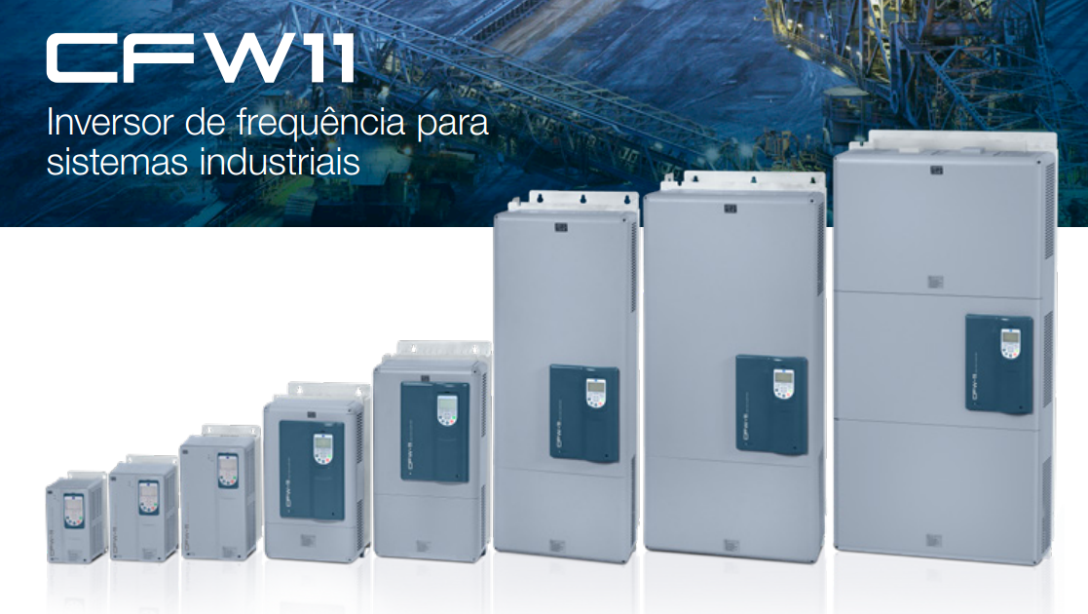
13202101 | INVERSOR BRCFW110211T4OYS8Z | 0,000 | 211 | 440 | F03 | F03 |  | 11 MEC E T2 e T4
14819595 | INVERSOR CFW110211T4ODBH1ALS9Z | 0,000 | 211 | 440 | F03 | F03 |  |  | 11 mec A, B, C, D T2 e T4
15841303 | INVERSOR EUCFW110211T4ODB55DSYZ | 0,000 | 211 | 440 | F03 | F03
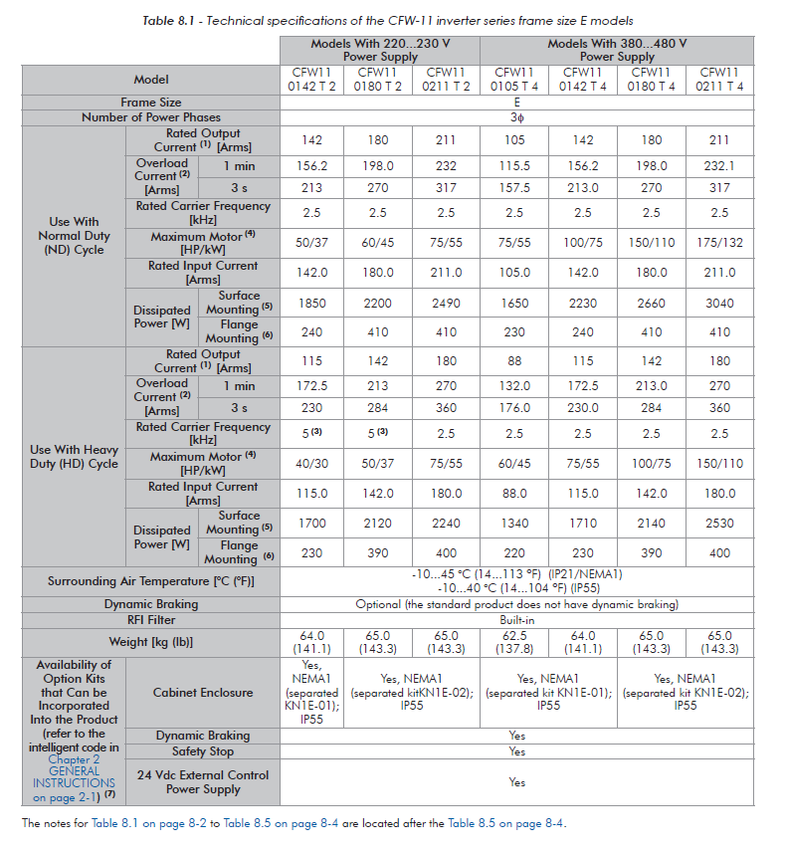
18504967 | INVERSOR BRCFW110211T4O55ECZ | 0,000 | 211 | 440 | F03 | F03 |  |  |  | CFW11 T5 e T6
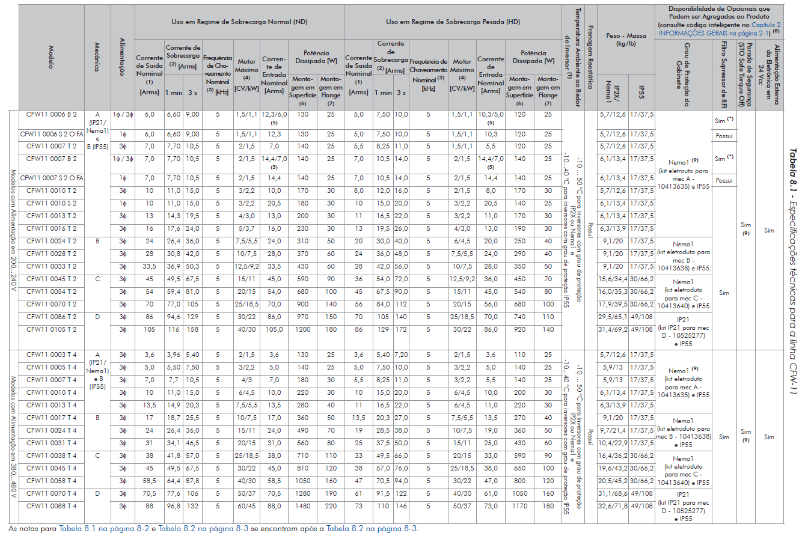
19292036 | INVERSOR BRCFW110211T4OTHZ | 0,000 | 211 | 440 | F03 | F03
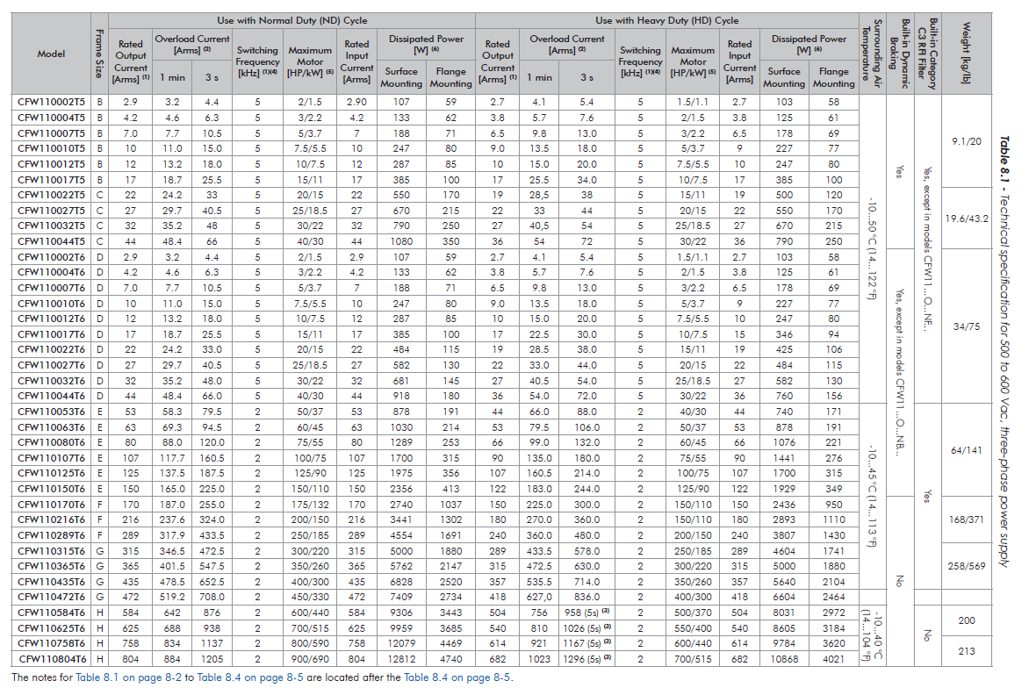
15841300 | INVERSOR EUCFW110180T4ODB55DSYZ | 0,000 | 180 | 440 | F03 | F03
12789077 | INVERSOR BRCFW110180T2OWZ | 0,000 | 180 | 220 | F03 | F03
13545191 | INVERSOR BRCFW110180T4O55DSZ | 0,000 | 180 | 440 | F03 | F03
14677580 | INVERSOR BRCFW110142T2O55SSZ | 0,000 | 142 | 220 | F13 | F13
15841299 | INVERSOR EUCFW110142T4ODB55DSYZ | 0,000 | 142 | 440 | F13 | F13
13541497 | INVERSOR BRCFW110142T2O55DSZ | 0,000 | 142 | 220 | F13 | F13
13799132 | INVERSOR SACFW110142T4ODCZ | 0,000 | 142 | 440 | F03 | F03
15240983 | INVERSOR BRCFW110142T4OHALS9Z | 0,000 | 142 | 440 | F03 | F03
18506375 | INVERSOR BRCFW110142T4O55ECZ | 0,000 | 142 | 440 | F03 | F03
19285650 | INVERSOR BRCFW110142T4OYDCZ | 0,000 | 142 | 440 | F03 | F03
14479911 | INVERSOR BRCFW110142T4OYWSIZ | 0,000 | 142 | 440 | F03 | F03
13637845 | INVERSOR MSCFW110125T6ONBSWZ | 0,000 | 125 | 690 | F03 | F03
13537946 | INVERSOR BRCFW110105T2O55DSZ | 0,000 | 105 | 220 | F13 | F13
15840797 | INVERSOR EUCFW110105T4ODB55DSYZ | 0,000 | 105 | 440 | F03 | F03
18489386 | INVERSOR BRCFW110105T4O55ECZ | 0,000 | 105 | 440 | F03 | F03
13418344 | INVERSOR BRCFW110088T4OFAS7Z | 0,000 | 88 | 440 | F13 | F13
14214172 | INVERSOR BRCFW110088T4OSIZ | 0,000 | 88 | 440 | F13 | F13
14538017 | INVERSOR BRCFW110088T4O55YZ | 0,000 | 88 | 440 | F13 | F13
13537866 | INVERSOR BRCFW110086T2O55Z | 0,000 | 86 | 220 | F13 | F13
13537867 | INVERSOR BRCFW110086T2O55DSZ | 0,000 | 86 | 220 | F13 | F13
14038921 | INVERSOR BRCFW110080T6ON1YZ | 0,000 | 80 | 690 | F03 | F03
12713555 | INVERSOR SACFW110080T6ONBYECZ | 0,000 | 80 | 690 | F03 | F03
14676621 | INVERSOR BRCFW110070T2O55FASSZ | 0,000 | 70 | 220 | F13 | F13
13539793 | INVERSOR BRCFW110070T4OFAS7Z | 0,000 | 70 | 440 | F13 | F13
14846504 | INVERSOR BRCFW110070T4O55ECZ | 0,000 | 70 | 440 | F13 | F13
13537455 | INVERSOR BRCFW110070T2O55Z | 0,000 | 70 | 220 | F13 | F13
13537456 | INVERSOR BRCFW110070T2O55DSZ | 0,000 | 70 | 220 | F13 | F13
13537940 | INVERSOR BRCFW110070T4O55DSZ | 0,000 | 70 | 440 | F13 | F13 | MEC A, B, C, D BORNE
19163706 | INVERSOR BRCFW110058T4OTHZ | 0,000 | 58 | 440 | F13 | F13 | MEC E BARRAMENTO
13537450 | INVERSOR BRCFW110054T2O55Z | 0,000 | 54 | 220 | F13 | F13
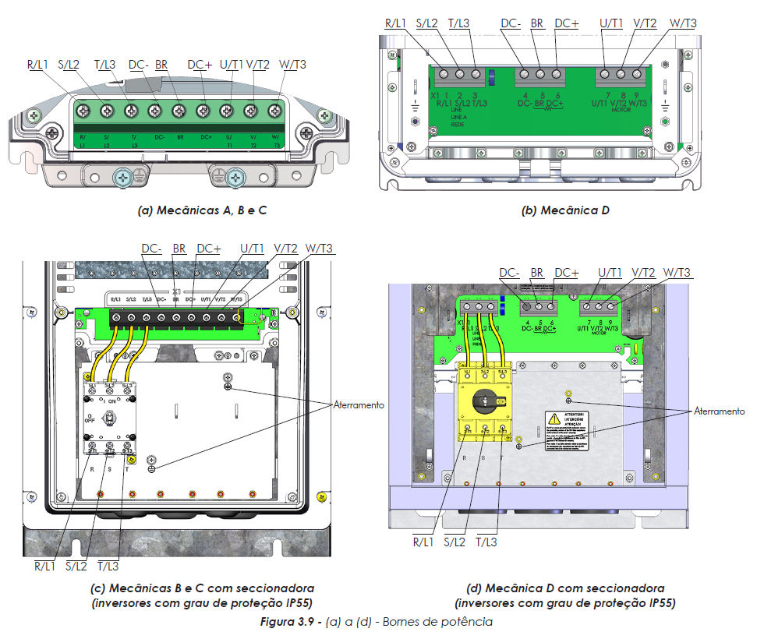
13537451 | INVERSOR BRCFW110054T2O55DSZ | 0,000 | 54 | 220 | F13 | F13
13537385 | INVERSOR BRCFW110045T2O55Z | 0,000 | 45 | 220 | F13 | F13
13537386 | INVERSOR BRCFW110045T2O55DSZ | 0,000 | 45 | 220 | F13 | F13
13537843 | INVERSOR BRCFW110045T4O55DSZ | 0,000 | 45 | 440 | F13 | F13
13537804 | INVERSOR BRCFW110038T4O55DSZ | 0,000 | 38 | 440 | F13 | F13
13707183 | INVERSOR BRCFW110033T2OYWZ | 0,000 | 33 | 220 | F11 | F11
19163701 | INVERSOR BRCFW110031T4OTHZ | 0,000 | 31 | 440 | F11 | F11
14479912 | INVERSOR BRCFW110031T4OYWSIZ | 0,000 | 31 | 440 | F11 | F11
13673009 | INVERSOR BRCFW110024T4OFAS7Z | 0,000 | 24 | 440 | F11 | F11
15240750 | INVERSOR BRCFW110024T4OHALS9Z | 0,000 | 24 | 440 | F11 | F11
16038904 | INVERSOR BRCFW110024T4OFAYWTVZ | 0,000 | 24 | 440 | F11 | F11
14479686 | INVERSOR BRCFW110024T4OYWSIZ | 0,000 | 24 | 440 | F11 | F11
14479687 | INVERSOR BRCFW110017T4OYWSIZ | 0,000 | 17 | 440 | F11 | F11
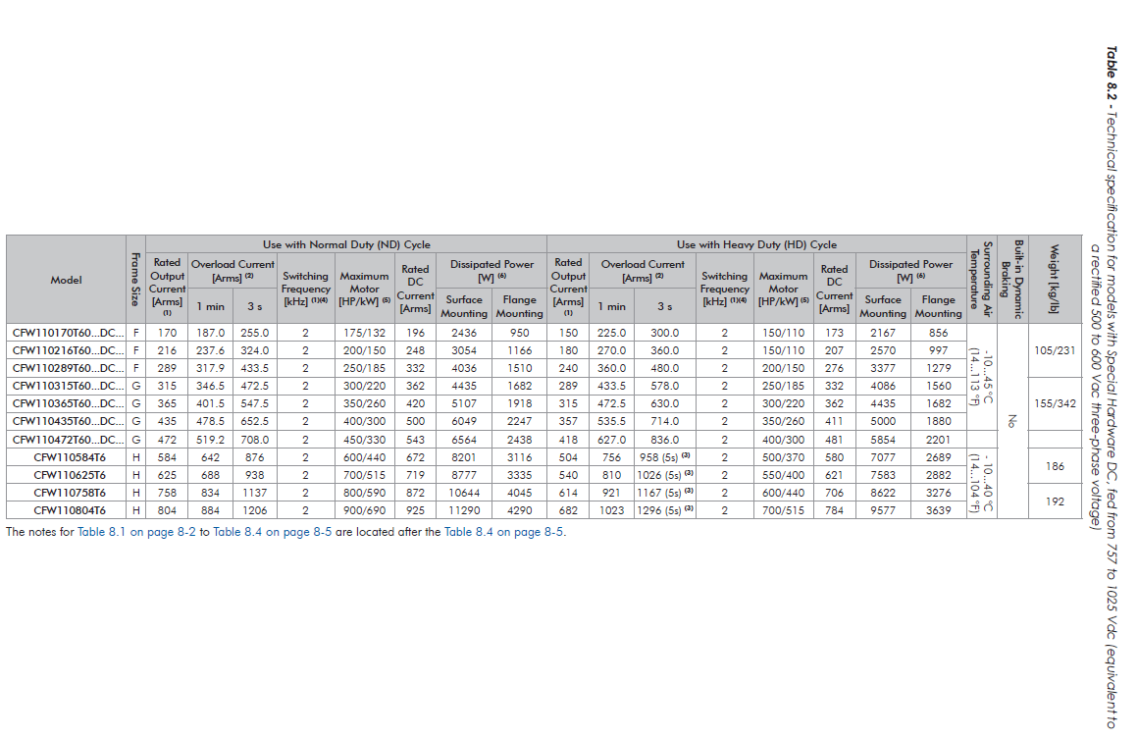
14214170 | INVERSOR BRCFW110013T4OSIZ | 0,000 | 13 | 440 | F11 | F11
17979999 | INVERSOR MSCFW110013T4OFAYWZ | 0,000 | 13 | 440 | F11 | F11
19163605 | INVERSOR BRCFW110013T4OTHZ | 0,000 | 13 | 440 | F11 | F11
14479685 | INVERSOR BRCFW110010T4OYWSIZ | 0,000 | 10 | 440 | F11 | F11
14803482 | INVERSOR EUCFW110007T6OYWZ | 0,000 | 7 | 690 | F13 | F13
13651195 | INVERSOR EUCFW110007T4OFASWZ | 0,000 | 7 | 440 | F11 | F11
15504588 | INVERSOR EUCFW110007T4OFAYSUZ | 0,000 |  |  | F11 | F11
13509387 | INVERSOR BRCFW110720T4ORBZ-UI | 215,446 | 720 | 440 | F03 | F03
15488731 | INVERSOR BRCFW110760T4ORBH1SQECZ-UI | 215,434 | 760 | 440 | F03 | F03
15437958 | INVERSOR BRCFW110760T4ORBH1SQECZ | 215,434 | 760 | 440 | F03 | F03
18121613 | INVERSOR BRCFW110760T4ORBH1Z | 215,434 | 760 | 440 | F03 | F03
18143964 | INVERSOR BRCFW110760T4ORBH1Z-UI | 215,434 | 760 | 440 | F03 | F03
18949397 | INVERSOR EUCFW110720T4ORBWSQZ | 215,000 | 720 | 440 | F03 | F03
18949851 | INVERSOR EUCFW110720T4ORBWSQZ-UI | 215,000 | 720 | 440 | F03 | F03
12292001 | INVERSOR BRCFW110720T4ORBWZ | 215,000 | 720 | 440 | F03 | F03
11979719 | INVERSOR EUCFW110720T4ORBZ | 215,000 | 720 | 440 | F03 | F03
11981062 | INVERSOR EUCFW110720T4ORBWZ | 215,000 | 720 | 440 | F03 | F03
14341413 | INVERSOR BRCFW110877T4ORBZ-UI | 213,368 | 877 | 440 | F03 | F03
13659065 | INVERSOR MSCFW110515T4ORBZ-UI | 210,444 | 515 | 440 | F03 | F03
13797557 | INVERSOR BRCFW110515T4ORBH1Z-UI | 210,444 | 515 | 440 | F03 | F03
13792593 | INVERSOR BRCFW110515T4ORBH1Z | 210,444 | 515 | 440 | F03 | F03
14558796 | INVERSOR BRCFW110515T4ORBWH1Z-UI | 210,444 | 515 | 440 | F03 | F03
17128529 | INVERSOR BRCFW110760T4ORBSQZ-UI | 210,368 | 760 | 440 | F03 | F03
17123985 | INVERSOR BRCFW110760T4ORBSQZ | 210,368 | 760 | 440 | F03 | F03
17554278 | INVERSOR BRCFW110760T4ORBZ | 210,368 | 760 | 440 | F03 | F03
11427557 | INVERSOR BRCFW110720T4ORBZ | 210,368 | 720 | 440 | F03 | F03
14403368 | INVERSOR BRCFW110720T4ORBH1Z-UI | 210,368 | 720 | 440 | F03 | F03
13393062 | INVERSOR BRCFW110601T4ORBZ-UI | 210,368 | 601 | 440 | F03 | F03
13619706 | INVERSOR NACFW110601T4ORBZ-UI | 210,368 | 601 | 440 | F03 | F03
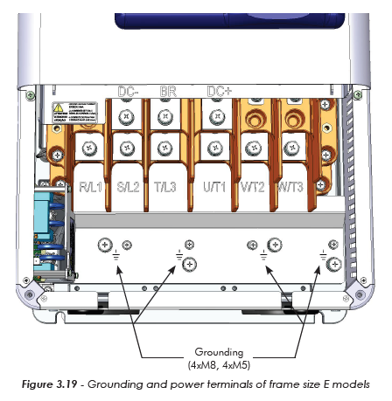
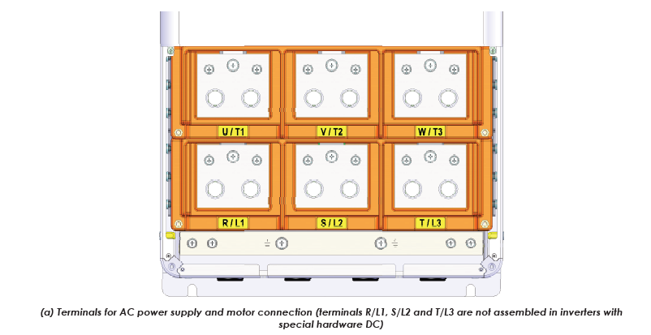
13580239 | INVERSOR BRCFW110601T4ORBH1Z-UI | 210,368 | 601 | 440 | F03 | F03
13580103 | INVERSOR BRCFW110601T4ORBH1Z | 210,368 | 601 | 440 | F03 | F03
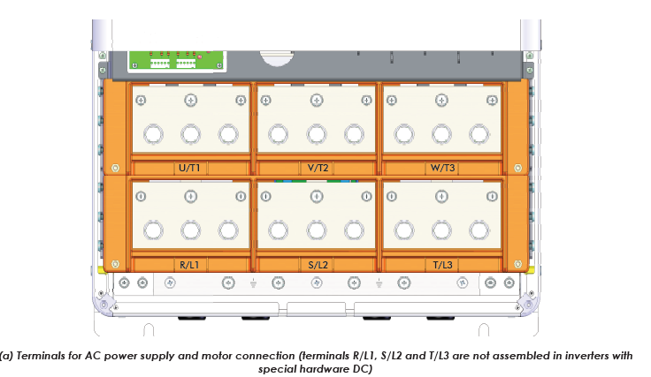
13953078 | INVERSOR SACFW110601T4ORBZ-UI | 210,368 | 601 | 440 | F03 | F03
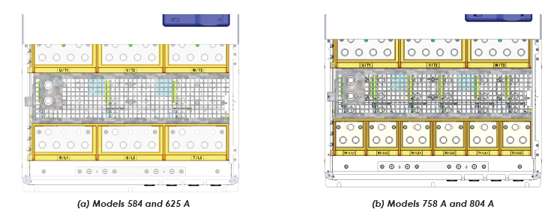
17128697 | INVERSOR BRCFW110601T4ORBSQZ-UI | 210,368 | 601 | 440 | F03 | F03
17124158 | INVERSOR BRCFW110601T4ORBSQZ | 210,368 | 601 | 440 | F03 | F03
11470515 | INVERSOR BRCFW110601T4ORBZ | 210,368 | 601 | 440 | F03 | F03
11470512 | INVERSOR BRCFW110515T4ORBZ | 210,368 | 515 | 440 | F03 | F03
14446605 | INVERSOR BRCFW110515T4ORBZ-UI | 210,368 | 515 | 440 | F03 | F03
12784255 | INVERSOR EUCFW110601T4ORBZ | 210,000 | 601 | 440 | F03 | F03
18580964 | INVERSOR EUCFW110365T6ORBWZ | 150,100 | 365 | 690 | F03 | F03
18582262 | INVERSOR EUCFW110365T6ORBWZ-UI | 150,100 | 365 | 690 | F03 | F03
18531111 | INVERSOR EUCFW110365T6ORBZ | 150,100 | 365 | 690 | F03 | F03
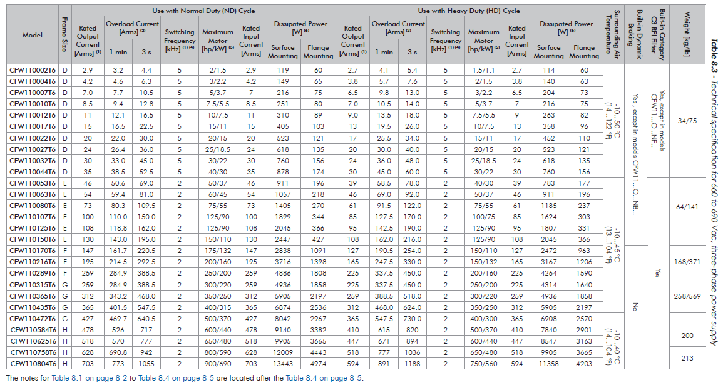
18553036 | INVERSOR EUCFW110365T6ORBZ-UI | 150,100 | 365 | 690 | F03 | F03
15145206 | INVERSOR BRCFW110180T2OYZ-UI | 141,608 | 180 | 220 | F03 | F03
11624976 | INVERSOR BRCFW110180T2OYZ | 141,608 | 180 | 220 | F03 | F03
11874553 | INVERSOR SACFW110180T2OYZ | 141,000 | 180 | 220 | F03 | F03
11874230 | INVERSOR NACFW110180T2OYZ | 141,000 | 180 | 220 | F03 | F03
11873766 | INVERSOR MSCFW110180T2OYZ | 141,000 | 180 | 220 | F03 | F03
11873094 | INVERSOR EUCFW110180T2OYZ | 141,000 | 180 | 220 | F03 | F03
13525900 | INVERSOR BRCFW110477T4ORBZ-UI | 140,598 | 477 | 440 | F03 | F03
13678607 | INVERSOR BRCFW110477T4ORBH1Z-UI | 140,598 | 477 | 440 | F03 | F03
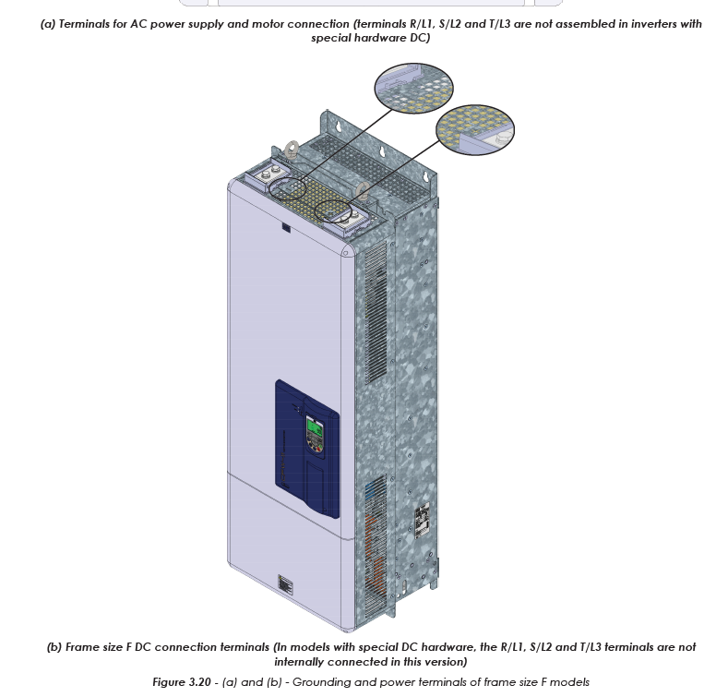
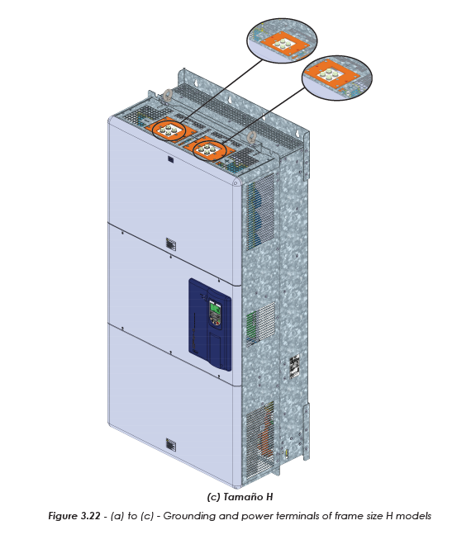
14149109 | INVERSOR BRCFW110477T4ORBWZ-UI | 140,598 | 477 | 440 | F03 | F03
15413435 | INVERSOR BRCFW110477T4ORBH1SQECZ | 140,586 | 477 | 440 | F03 | F03
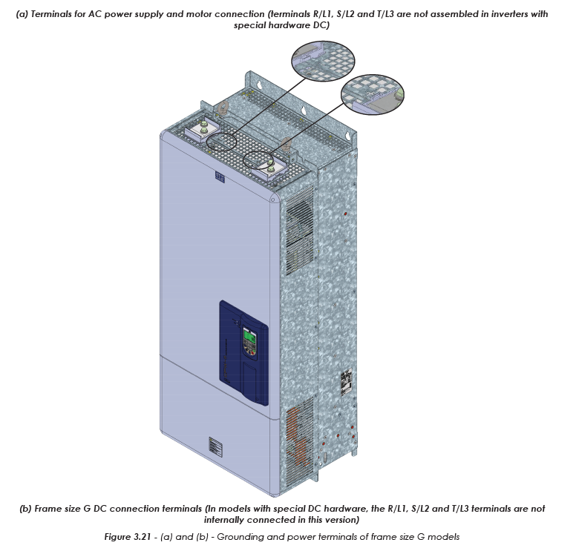
15488624 | INVERSOR BRCFW110477T4ORBH1SQECZ-UI | 140,586 | 477 | 440 | F03 | F03
13678297 | INVERSOR BRCFW110477T4ORBH1Z | 140,000 | 477 | 440 | F03 | F03
12238189 | INVERSOR MSCFW110477T4ORBZ | 140,000 | 477 | 440 | F03 | F03
19000859 | INVERSOR BRCFW110142T2ODBYZ | 139,608 | 142 | 220 | F13 | F13
11624969 | INVERSOR BRCFW110142T2OYZ | 139,608 | 142 | 220 | F13 | F13
11874551 | INVERSOR SACFW110142T2OYZ | 139,000 | 142 | 220 | F13 | F13
11874229 | INVERSOR NACFW110142T2OYZ | 139,000 | 142 | 220 | F13 | F13
11873765 | INVERSOR MSCFW110142T2OYZ | 139,000 | 142 | 220 | F13 | F13
11873092 | INVERSOR EUCFW110142T2OYZ | 139,000 | 142 | 220 | F13 | F13
13456366 | INVERSOR BRCFW110370T4ORBZ-UI | 135,796 | 370 | 440 | F03 | F03
14914273 | INVERSOR MSCFW110370T4ORBWSQZ | 135,596 | 370 | 440 | F03 | F03
13708835 | INVERSOR EUCFW110477T4ORBZ | 135,300 | 477 | 440 | F03 | F03
18308911 | INVERSOR EUCFW110477T4ORBECZ | 135,300 | 477 | 440 | F03 | F03
18309269 | INVERSOR EUCFW110477T4ORBECZ-UI | 135,300 | 477 | 440 | F03 | F03
18744447 | INVERSOR EUCFW110477T4ORBSQZ | 135,300 | 477 | 440 | F03 | F03
18747979 | INVERSOR EUCFW110477T4ORBSQZ-UI | 135,300 | 477 | 440 | F03 | F03
11969560 | INVERSOR SACFW110370T4ORBZ | 135,000 | 370 | 440 | F03 | F03
14007845 | INVERSOR BRCFW110370T4ORBH1Z | 135,000 | 370 | 440 | F03 | F03
13885339 | INVERSOR BRCFW110312T4ORBH1Z-UI | 132,686 | 312 | 440 | F03 | F03
13877261 | INVERSOR BRCFW110312T4ORBH1Z | 132,000 | 312 | 440 | F03 | F03
15711627 | INVERSOR BRCFW110312T4ORBWZ-UI | 132,000 | 312 | 440 | F03 | F03
15709484 | INVERSOR BRCFW110312T4ORBWZ | 132,000 | 312 | 440 | F03 | F03
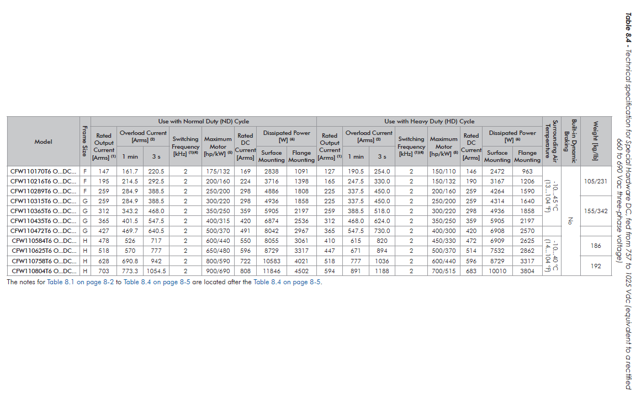
15159012 | INVERSOR BRCFW110289T6ORBT3ECZ | 130,596 | 289 | 690 | F03 | F03
14017529 | INVERSOR EUCFW110242T4ORBZ-UI | 130,500 | 242 | 440 | F03 | F03
15175382 | INVERSOR BRCFW110289T6ORBT3ECZ-UI | 130,000 | 289 | 690 | F03 | F03
18531113 | INVERSOR EUCFW110289T6ORBZ | 130,000 | 289 | 690 | F03 | F03
18580869 | INVERSOR EUCFW110289T6ORBWZ | 130,000 | 289 | 690 | F03 | F03
18582258 | INVERSOR EUCFW110289T6ORBWZ-UI | 130,000 | 289 | 690 | F03 | F03
18553029 | INVERSOR EUCFW110289T6ORBZ-UI | 130,000 | 289 | 690 | F03 | F03
12551191 | INVERSOR SACFW110289T6ORBZ | 130,000 | 289 | 690 | F03 | F03
15408275 | INVERSOR EUCFW110242T4ORBSQZ | 130,000 | 242 | 440 | F03 | F03
15420132 | INVERSOR EUCFW110242T4ORBSQZ-UI | 130,000 | 242 | 440 | F03 | F03
18949393 | INVERSOR EUCFW110242T4ORBWSQZ | 130,000 | 242 | 440 | F03 | F03
18949848 | INVERSOR EUCFW110242T4ORBWSQZ-UI | 130,000 | 242 | 440 | F03 | F03
12551190 | INVERSOR SACFW110216T6ORBZ | 130,000 | 216 | 690 | F03 | F03
12575636 | INVERSOR SACFW110216T6ORBWZ | 130,000 | 216 | 690 | F03 | F03
12551189 | INVERSOR SACFW110170T6ORBZ | 130,000 | 170 | 690 | F03 | F03
17358108 | INVERSOR SACFW110150T6ONBYWZ | 128,288 | 150 | 690 | F03 | F03
14320482 | INVERSOR NACFW110211T4O55DSZ | 100,300 | 211 | 440 | F03 | F03
13545197 | INVERSOR EUCFW110211T4O55DSZ | 100,300 | 211 | 440 | F03 | F03
13541552 | INVERSOR BRCFW110211T2O55DSZ | 100,300 | 211 | 220 | F03 | F03
13541579 | INVERSOR EUCFW110211T2O55DSZ | 100,300 | 211 | 220 | F03 | F03
14320456 | INVERSOR NACFW110180T4O55DSZ | 100,300 | 180 | 440 | F03 | F03
14320398 | INVERSOR NACFW110180T2O55DSZ | 100,300 | 180 | 220 | F03 | F03
15338075 | INVERSOR BRCFW110180T4O55DSSMZ | 100,300 | 180 | 440 | F03 | F03
13541543 | INVERSOR BRCFW110180T2O55DSZ | 100,300 | 180 | 220 | F03 | F03
13541547 | INVERSOR EUCFW110180T2O55DSZ | 100,300 | 180 | 220 | F03 | F03
13545193 | INVERSOR EUCFW110180T4O55DSZ | 100,300 | 180 | 440 | F03 | F03
13913588 | INVERSOR EUCFW110211T4O55DSYZ | 98,588 | 211 | 440 | F03 | F03
14452124 | INVERSOR EUCFW110211T4O55YZ | 98,588 | 211 | 440 | F03 | F03
13913742 | INVERSOR EUCFW110180T4O55DSYZ | 98,588 | 180 | 440 | F03 | F03
17406035 | INVERSOR BRCFW110211T4O55YECZ | 98,558 | 211 | 440 | F03 | F03
17347206 | INVERSOR BRCFW110180T4O55YZ | 98,558 | 180 | 440 | F03 | F03
13541551 | INVERSOR BRCFW110211T2O55Z | 98,200 | 211 | 220 | F03 | F03
13545194 | INVERSOR BRCFW110211T4O55Z | 98,200 | 211 | 440 | F03 | F03
13545196 | INVERSOR EUCFW110211T4O55Z | 98,200 | 211 | 440 | F03 | F03
15779928 | INVERSOR MSCFW110180T4O55YZ | 98,200 | 180 | 440 | F03 | F03
13541546 | INVERSOR EUCFW110180T2O55Z | 98,200 | 180 | 220 | F03 | F03
13545188 | INVERSOR BRCFW110180T4O55Z | 98,200 | 180 | 440 | F03 | F03
13545192 | INVERSOR EUCFW110180T4O55Z | 98,200 | 180 | 440 | F03 | F03
13541556 | INVERSOR EUCFW110211T2O55Z | 98,020 | 211 | 220 | F03 | F03
13541542 | INVERSOR BRCFW110180T2O55Z | 98,020 | 180 | 220 | F03 | F03
12919062 | INVERSOR BRCFW110142T2ON1SPZ | 97,700 | 142 | 220 | F13 | F13
13708988 | INVERSOR EUCFW110477T4ORBZ-UI | 97,000 | 477 | 440 | F03 | F03
11470497 | INVERSOR BRCFW110477T4ORBZ | 97,000 | 477 | 440 | F03 | F03
14007846 | INVERSOR BRCFW110370T4ORBH1Z-UI | 97,000 | 370 | 440 | F03 | F03
18531115 | INVERSOR EUCFW110370T4ORBZ | 97,000 | 370 | 440 | F03 | F03
18581749 | INVERSOR EUCFW110370T4ORBWZ | 97,000 | 370 | 440 | F03 | F03
18582265 | INVERSOR EUCFW110370T4ORBWZ-UI | 97,000 | 370 | 440 | F03 | F03
18546294 | INVERSOR EUCFW110370T4ORBZ-UI | 97,000 | 370 | 440 | F03 | F03
18744446 | INVERSOR EUCFW110370T4ORBSQZ | 97,000 | 370 | 440 | F03 | F03
18747817 | INVERSOR EUCFW110370T4ORBSQZ-UI | 97,000 | 370 | 440 | F03 | F03
18949395 | INVERSOR EUCFW110370T4ORBWSQZ | 97,000 | 370 | 440 | F03 | F03
18949850 | INVERSOR EUCFW110370T4ORBWSQZ-UI | 97,000 | 370 | 440 | F03 | F03
11470494 | INVERSOR BRCFW110370T4ORBZ | 97,000 | 370 | 440 | F03 | F03
13654944 | INVERSOR BRCFW110242T4ORBH1Z-UI | 97,000 | 242 | 440 | F03 | F03
18720110 | INVERSOR EUCFW110242T4ORBZ | 97,000 | 242 | 440 | F03 | F03
11469933 | INVERSOR BRCFW110242T4ORBZ | 97,000 | 242 | 440 | F03 | F03
14432978 | INVERSOR BRCFW110211T4OSWZ-UI | 97,000 | 211 | 440 | F03 | F03
14538843 | INVERSOR EUCFW110142T4O55YZ | 96,000 | 142 | 440 | F03 | F03
14538842 | INVERSOR EUCFW110105T4O55YZ | 96,000 | 105 | 440 | F03 | F03
11129590 | INVERSOR NACFW110105T4ON1DBZ | 93,300 | 105 | 440 | F03 | F03
13541540 | INVERSOR EUCFW110142T2O55DSZ | 90,200 | 142 | 220 | F13 | F13
14320453 | INVERSOR NACFW110142T4O55DSZ | 90,200 | 142 | 440 | F03 | F03
13545093 | INVERSOR BRCFW110142T4O55DSZ | 90,200 | 142 | 440 | F03 | F03
13545097 | INVERSOR EUCFW110142T4O55DSZ | 90,200 | 142 | 440 | F03 | F03
18112405 | INVERSOR EUCFW110601T4ORBHF1SQZ | 90,100 | 601 | 440 | F03 | F03
18310872 | INVERSOR EUCFW110601T4ORBHF1SQZ-UI | 90,100 | 601 | 440 | F03 | F03
18949648 | INVERSOR EUCFW110601T4ORBWSQZ | 90,100 | 601 | 440 | F03 | F03
18949852 | INVERSOR EUCFW110601T4ORBWSQZ-UI | 90,100 | 601 | 440 | F03 | F03
13518104 | INVERSOR BRCFW110312T4ORBZ-UI | 89,500 | 312 | 440 | F03 | F03
15198294 | INVERSOR EUCFW110312T4ORBZ-UI | 89,500 | 312 | 440 | F03 | F03
15420137 | INVERSOR MSCFW110312T4ORBWSQZ-UI | 89,500 | 312 | 440 | F03 | F03
15384307 | INVERSOR MSCFW110312T4ORBWSQZ | 89,500 | 312 | 440 | F03 | F03
15192298 | INVERSOR EUCFW110312T4ORBZ | 89,500 | 312 | 440 | F03 | F03
18821951 | INVERSOR EUCFW110312T4ORBSQZ | 89,500 | 312 | 440 | F03 | F03
18828557 | INVERSOR EUCFW110312T4ORBSQZ-UI | 89,500 | 312 | 440 | F03 | F03
18949394 | INVERSOR EUCFW110312T4ORBWSQZ | 89,500 | 312 | 440 | F03 | F03
18949849 | INVERSOR EUCFW110312T4ORBWSQZ-UI | 89,500 | 312 | 440 | F03 | F03
11469934 | INVERSOR BRCFW110312T4ORBZ | 89,500 | 312 | 440 | F03 | F03
14161514 | INVERSOR BRCFW110211T4ODB55Z | 88,488 | 211 | 440 | F03 | F03
13871860 | INVERSOR EUCFW110142T4O55DSYZ | 88,488 | 142 | 440 | F13 | F13
15164462 | INVERSOR BRCFW110142T2O55ECZ | 88,488 | 142 | 220 | F13 | F13
13541495 | INVERSOR BRCFW110142T2O55Z | 88,100 | 142 | 220 | F13 | F13
13541539 | INVERSOR EUCFW110142T2O55Z | 88,100 | 142 | 220 | F13 | F13
13540822 | INVERSOR BRCFW110142T4O55Z | 88,100 | 142 | 440 | F03 | F03
16113642 | INVERSOR MSCFW110142T4O55YZ | 88,100 | 142 | 440 | F03 | F03
18756598 | INVERSOR EUCFW110142T4O55DSECZ | 88,100 | 142 | 440 | F03 | F03
13545096 | INVERSOR EUCFW110142T4O55Z | 88,100 | 142 | 440 | F03 | F03
14320279 | INVERSOR NACFW110105T4O55DSZ | 87,400 | 105 | 440 | F03 | F03
13544435 | INVERSOR BRCFW110105T4O55DSZ | 87,400 | 105 | 440 | F03 | F03
13540820 | INVERSOR EUCFW110105T4O55DSZ | 87,400 | 105 | 440 | F03 | F03
18309578 | INVERSOR EUCFW110370T4ORBHF1SQZ-UI | 87,000 | 370 | 440 | F03 | F03
15178071 | INVERSOR BRCFW110105T2O55FADSECZ | 85,760 | 105 | 220 | F13 | F13
13913535 | INVERSOR EUCFW110105T4O55DSYZ | 85,688 | 105 | 440 | F03 | F03
17036517 | INVERSOR BRCFW110105T2O55FAZ | 85,300 | 105 | 220 | F13 | F13
18295134 | INVERSOR NACFW110105T2O55ECZ | 85,300 | 105 | 220 | F13 | F13
19300160 | INVERSOR NACFW110105T2OFA55ECZ | 85,300 | 105 | 220 | F13 | F13
13537968 | INVERSOR NACFW110105T2O55Z | 85,300 | 105 | 220 | F13 | F13
13541582 | INVERSOR BRCFW110105T4O55Z | 85,300 | 105 | 440 | F03 | F03
13538100 | INVERSOR EUCFW110105T4O55Z | 85,300 | 105 | 440 | F03 | F03
16261271 | INVERSOR BRCFW110105T4O55SSZ | 85,300 | 105 | 440 | F03 | F03
11142665 | INVERSOR BRCFW110142T2O54Z | 81,800 | 142 | 220 | F13 | F13
11143159 | INVERSOR EUCFW110142T4O54DBZ | 81,800 | 142 | 440 | F13 | F13
11144217 | INVERSOR BRCFW110142T2O54DBZ | 81,800 | 142 | 220 | F13 | F13
11144424 | INVERSOR BRCFW110142T4O54DBZ | 81,800 | 142 | 440 | F03 | F03
16834731 | INVERSOR BRCFW110024T4OFAYSSZ | 81,507 | 24 | 440 | F11 | F11
11143158 | INVERSOR EUCFW110105T4O54DBZ | 79,700 | 105 | 440 | F13 | F13
11144423 | INVERSOR BRCFW110105T4O54DBZ | 79,700 | 105 | 440 | F03 | F03
11143091 | INVERSOR EUCFW110142T4O54Z | 79,300 | 142 | 440 | F03 | F03
11144213 | INVERSOR BRCFW110142T4O54Z | 79,300 | 142 | 440 | F03 | F03
12176875 | INVERSOR EUCFW110142T4O54YZ | 79,300 | 142 | 440 | F03 | F03
11144212 | INVERSOR BRCFW110105T4O54Z | 78,700 | 105 | 440 | F13 | F13
14586834 | INVERSOR EUCFW110105T4OYZ-UI | 78,700 | 105 | 440 | F03 | F03
13509574 | INVERSOR BRCFW110105T4OYS4Z | 78,700 | 105 | 440 | F03 | F03
13509883 | INVERSOR BRCFW110105T4OYS4Z-UI | 78,700 | 105 | 440 | F03 | F03
13774876 | INVERSOR BRCFW110105T4OYZ-UI | 78,700 | 105 | 440 | F03 | F03
13857712 | INVERSOR EUCFW110105T4OYSWZ | 78,700 | 105 | 440 | F03 | F03
12897240 | INVERSOR EUCFW110105T4ODBYWZ | 78,700 | 105 | 440 | F03 | F03
11135819 | INVERSOR EUCFW110105T4OYZ | 78,700 | 105 | 440 | F03 | F03
11220384 | INVERSOR BRCFW110105T4OYZ | 78,700 | 105 | 440 | F03 | F03
11143090 | INVERSOR EUCFW110105T4O54Z | 78,700 | 105 | 440 | F03 | F03
12176817 | INVERSOR EUCFW110105T4O54YZ | 78,700 | 105 | 440 | F03 | F03
13629224 | INVERSOR BRCFW110024T4OSMZ | 75,056 | 24 | 440 | F11 | F11
12070502 | INVERSOR CFW11T0599D4SZ | 75,000 |  |  | F03 | F03
12254417 | INVERSOR CFW11T0599D4OWZ | 75,000 |  |  | F03 | F03
13747392 | INVERSOR BRCFW110017T4OH4SPZ | 74,841 | 17 | 440 | F11 | F11
12105106 | INVERSOR NACFW110211T4ON1YZ | 70,360 | 211 | 440 | F03 | F03
15072397 | INVERSOR BRCFW110211T4OYWZ-UI | 69,666 | 211 | 440 | F03 | F03
11482446 | INVERSOR BRCFW110211T4OYWZ | 69,666 | 211 | 440 | F03 | F03
13582331 | INVERSOR BRCFW110211T4ODBWZ | 69,497 | 211 | 440 | F03 | F03
13812465 | INVERSOR BRCFW110211T4ODBZ-UI | 69,496 | 211 | 440 | F03 | F03
13751062 | INVERSOR BRCFW110211T4ODBYZ-UI | 69,388 | 211 | 440 | F03 | F03
13474262 | INVERSOR EUCFW110211T4ODBSWZ | 69,376 | 211 | 440 | F03 | F03
17463649 | INVERSOR BRCFW110211T4ON1Z | 69,300 | 211 | 440 | F03 | F03
11128946 | INVERSOR NACFW110211T2ON1Z | 69,300 | 211 | 220 | F03 | F03
11128984 | INVERSOR NACFW110211T4ON1Z | 69,300 | 211 | 440 | F03 | F03
11129589 | INVERSOR NACFW110211T2ON1DBZ | 69,300 | 211 | 220 | F03 | F03
11129596 | INVERSOR NACFW110211T4ON1DBZ | 69,300 | 211 | 440 | F03 | F03
11128907 | INVERSOR NACFW110180T2ON1Z | 69,300 | 180 | 220 | F03 | F03
11128981 | INVERSOR NACFW110180T4ON1Z | 69,300 | 180 | 440 | F03 | F03
11129588 | INVERSOR NACFW110180T2ON1DBZ | 69,300 | 180 | 220 | F03 | F03
11129595 | INVERSOR NACFW110180T4ON1DBZ | 69,300 | 180 | 440 | F03 | F03
13887722 | INVERSOR CFW110211T4ODBHALS9Z | 69,283 | 211 | 440 | F03 | F03
11295182 | INVERSOR EUCFW110211T4ODBYZ | 69,108 | 211 | 440 | F03 | F03
11597598 | INVERSOR BCCFW110211T4OHESEZ | 69,100 | 211 | 440 | F03 | F03
13615311 | INVERSOR BCCFW110180T4OHEZ-UI | 69,100 | 180 | 440 | F03 | F03
13326895 | INVERSOR BRCFW110180T2SZ-UI | 69,100 | 180 | 220 | F03 | F03
15700781 | INVERSOR BRCFW110180T2OTVZ | 69,100 | 180 | 220 | F03 | F03
11571573 | INVERSOR BCCFW110180T4OHESEZ | 69,100 | 180 | 440 | F03 | F03
10858752 | INVERSOR BRCFW110180T2SZ | 69,100 | 180 | 220 | F03 | F03
13505413 | INVERSOR BRCFW110142T4ODBSVZ | 69,100 | 142 | 440 | F13 | F13
13616198 | INVERSOR BRCFW110142T2SZ-UI | 69,100 | 142 | 220 | F13 | F13
15700780 | INVERSOR BRCFW110142T2OTVZ | 69,100 | 142 | 220 | F13 | F13
17096017 | INVERSOR BRCFW110142T2OWZ | 69,100 | 142 | 220 | F13 | F13
10858751 | INVERSOR BRCFW110142T2SZ | 69,100 | 142 | 220 | F13 | F13
14259933 | INVERSOR EUCFW110142T4OYZ-UI | 69,100 | 142 | 440 | F13 | F13
13617562 | INVERSOR BRCFW110142T4ODBZ-UI | 69,100 | 142 | 440 | F03 | F03
12897242 | INVERSOR EUCFW110142T4ODBYWZ | 69,100 | 142 | 440 | F03 | F03
13008183 | INVERSOR EUCFW110142T4ODBSWZ | 69,100 | 142 | 440 | F03 | F03
15348877 | INVERSOR BRCFW110142T4ODBH4SPZ | 69,100 | 142 | 440 | F03 | F03
11571571 | INVERSOR BCCFW110142T4OHESEZ | 69,100 | 142 | 440 | F03 | F03
11104016 | INVERSOR EUCFW110142T4OYZ | 69,100 | 142 | 440 | F03 | F03
10858763 | INVERSOR BRCFW110142T4ODBZ | 69,100 | 142 | 440 | F03 | F03
13392848 | INVERSOR BCCFW110105T4OHESEZ-UI | 69,100 | 105 | 440 | F03 | F03
13652945 | INVERSOR BRCFW110180T4OYWZ-UI | 68,952 | 180 | 440 | F03 | F03
11469355 | INVERSOR BRCFW110180T4OYWZ | 68,952 | 180 | 440 | F03 | F03
14526596 | INVERSOR BRCFW110180T4OYWSIZ-UI | 68,952 | 180 | 440 | F03 | F03
13921540 | INVERSOR BRCFW110180T4ODBYZ-UI | 68,488 | 180 | 440 | F03 | F03
14837241 | INVERSOR BRCFW110180T4ODBECZ | 68,488 | 180 | 440 | F03 | F03
13624141 | INVERSOR NACFW110211T4SZ-UI | 68,289 | 211 | 440 | F03 | F03
13622451 | INVERSOR MSCFW110211T4SZ-UI | 68,289 | 211 | 440 | F03 | F03
13623439 | INVERSOR SACFW110211T4SZ-UI | 68,289 | 211 | 440 | F03 | F03
14688032 | INVERSOR BRCFW110211T4OECZ | 68,288 | 211 | 440 | F03 | F03
14745109 | INVERSOR BRCFW110211T4OYWSIZ-UI | 68,288 | 211 | 440 | F03 | F03
14762703 | INVERSOR BRCFW110211T4OWH2SDZ-UI | 68,288 | 211 | 440 | F03 | F03
13542804 | INVERSOR BRCFW110211T4OH2S7Z-UI | 68,288 | 211 | 440 | F03 | F03
13539860 | INVERSOR BRCFW110211T4OH2S7Z | 68,288 | 211 | 440 | F03 | F03
13765093 | INVERSOR BRCFW110211T4OH4Z | 68,288 | 211 | 440 | F03 | F03
15186314 | INVERSOR BRCFW110211T4OECZ-UI | 68,288 | 211 | 440 | F03 | F03
15437868 | INVERSOR BRCFW110211T4OYT1Z | 68,288 | 211 | 440 | F03 | F03
15242246 | INVERSOR BRCFW110211T4OH2ALS9Z | 68,288 | 211 | 440 | F03 | F03
15875747 | INVERSOR BRCFW110211T4OYH2ALDCTDECZ | 68,288 | 211 | 440 | F03 | F03
17161526 | INVERSOR BRCFW110211T4OHALS9ECZ-UI | 68,288 | 211 | 440 | F03 | F03
17160494 | INVERSOR BRCFW110211T4OHALS9ECZ | 68,288 | 211 | 440 | F03 | F03
15413430 | INVERSOR BRCFW110211T4ORBH2SQECZ | 68,288 | 211 | 440 | F03 | F03
15416210 | INVERSOR BRCFW110211T4OH2DCECZ | 68,288 | 211 | 440 | F03 | F03
15487671 | INVERSOR BRCFW110211T4ORBH2SQECZ-UI | 68,288 | 211 | 440 | F03 | F03
15488619 | INVERSOR BRCFW110211T4OH2DCECZ-UI | 68,288 | 211 | 440 | F03 | F03
13887719 | INVERSOR CFW110180T4ODBHALS9Z | 68,275 | 180 | 440 | F03 | F03
13364296 | INVERSOR BRCFW110211T4OH1Z-UI | 68,200 | 211 | 440 | F03 | F03
12884636 | INVERSOR BRCFW110211T4OSWZ | 68,200 | 211 | 440 | F03 | F03
13326890 | INVERSOR BRCFW110211T4SZ-UI | 68,200 | 211 | 440 | F03 | F03
15701135 | INVERSOR BRCFW110211T4OTVZ | 68,200 | 211 | 440 | F03 | F03
10858714 | INVERSOR BRCFW110211T4SZ | 68,200 | 211 | 440 | F03 | F03
14541535 | INVERSOR BRCFW110211T4OWSWZ-UI | 68,200 | 211 | 440 | F03 | F03
12547422 | INVERSOR BRCFW110180T4ODBWZ | 68,200 | 180 | 440 | F03 | F03
15344858 | INVERSOR BRCFW110180T4ODBWZ-UI | 68,200 | 180 | 440 | F03 | F03
13392141 | INVERSOR BRCFW110211T4OWH2S7Z-UI | 68,168 | 211 | 440 | F03 | F03
13765021 | INVERSOR BRCFW110211T2OH4Z | 68,128 | 211 | 220 | F13 | F13
13505416 | INVERSOR BRCFW110180T4ODBSVZ | 68,100 | 180 | 440 | F03 | F03
13952595 | INVERSOR BRCFW110180T4ODBZ-UI | 68,100 | 180 | 440 | F03 | F03
13079775 | INVERSOR BCCFW110180T4ODBHESEZ | 68,100 | 180 | 440 | F03 | F03
13303985 | INVERSOR NACFW110180T4ODBSWZ | 68,100 | 180 | 440 | F03 | F03
11295136 | INVERSOR EUCFW110180T4ODBYZ | 68,100 | 180 | 440 | F03 | F03
10858767 | INVERSOR BRCFW110180T4ODBZ | 68,100 | 180 | 440 | F03 | F03
13893194 | INVERSOR CFW110211T4OHALS9Z | 68,075 | 211 | 440 | F03 | F03
13253872 | INVERSOR BRCFW110211T4OSHZ | 68,068 | 211 | 440 | F03 | F03
15760031 | INVERSOR EUCFW110211T4OTVZ | 68,068 | 211 | 440 | F03 | F03
13498391 | INVERSOR EUCFW110211T4OYZ-UI | 68,000 | 211 | 440 | F03 | F03
17412188 | INVERSOR EUCFW110211T4OYSUZ | 68,000 | 211 | 440 | F03 | F03
17416554 | INVERSOR EUCFW110211T4OYSUZ-UI | 68,000 | 211 | 440 | F03 | F03
11226745 | INVERSOR EUCFW110211T4OYZ | 68,000 | 211 | 440 | F03 | F03
13240158 | INVERSOR EUCFW110180T4ODBSWZ | 68,000 | 180 | 440 | F03 | F03
12358647 | INVERSOR EUCFW110180T4ODBYWZ | 68,000 | 180 | 440 | F03 | F03
13956638 | INVERSOR SACFW110211T4ODCZ | 67,900 | 211 | 440 | F03 | F03
13724212 | INVERSOR BRCFW110211T4OYS4Z-UI | 67,900 | 211 | 440 | F03 | F03
14953012 | INVERSOR MSCFW110211T4OWH2DCZ-UI | 67,900 | 211 | 440 | F03 | F03
15079994 | INVERSOR EUCFW110211T4OYWSUZ-UI | 67,900 | 211 | 440 | F03 | F03
14979897 | INVERSOR EUCFW110211T4OYWZ-UI | 67,900 | 211 | 440 | F03 | F03
15253560 | INVERSOR BRCFW110211T4OH2ALS9Z-UI | 67,900 | 211 | 440 | F03 | F03
16480407 | INVERSOR EUCFW110211T4OH2ALS9Z-UI | 67,900 | 211 | 440 | F03 | F03
16469481 | INVERSOR EUCFW110211T4OH2ALS9Z | 67,900 | 211 | 440 | F03 | F03
16752066 | INVERSOR BRCFW110211T4OWH1Z | 67,900 | 211 | 440 | F03 | F03
16780085 | INVERSOR BRCFW110211T4OWH1Z-UI | 67,900 | 211 | 440 | F03 | F03
12759375 | INVERSOR BRCFW110211T4OH1Z | 67,900 | 211 | 440 | F03 | F03
17459941 | INVERSOR BRCFW110211T4ODCZ-UI | 67,900 | 211 | 440 | F03 | F03
17455568 | INVERSOR BRCFW110211T4ODCZ | 67,900 | 211 | 440 | F03 | F03
17704111 | INVERSOR BRCFW110211T4OYWDCZ-UI | 67,900 | 211 | 440 | F03 | F03
17692045 | INVERSOR BRCFW110211T4OYWDCZ | 67,900 | 211 | 440 | F03 | F03
11874331 | INVERSOR NACFW110211T4OYZ | 67,900 | 211 | 440 | F03 | F03
11873823 | INVERSOR MSCFW110211T4OYZ | 67,900 | 211 | 440 | F03 | F03
11851728 | INVERSOR EUCFW110211T4OYHASCZ | 67,900 | 211 | 440 | F03 | F03
11756246 | INVERSOR SACFW110211T4OYZ | 67,900 | 211 | 440 | F03 | F03
11789271 | INVERSOR EUCFW110211T4OYWZ | 67,900 | 211 | 440 | F03 | F03
11811632 | INVERSOR SACFW110211T4OYWZ | 67,900 | 211 | 440 | F03 | F03
12117551 | INVERSOR BRCFW110211T4OYS4Z | 67,900 | 211 | 440 | F03 | F03
19186309 | INVERSOR BRCFW110180T4ODCZ | 67,900 | 180 | 440 | F03 | F03
13849999 | INVERSOR BRCFW110211T2OYZ-UI | 67,389 | 211 | 220 | F03 | F03
16494932 | INVERSOR BRCFW110180T2OH4Z | 67,129 | 180 | 220 | F03 | F03
14837157 | INVERSOR BRCFW110180T2OECZ | 67,128 | 180 | 220 | F03 | F03
13885659 | INVERSOR BRCFW110180T2ODBYZ | 67,094 | 180 | 220 | F03 | F03
16379429 | INVERSOR BRCFW110211T2OYECZ | 67,000 | 211 | 220 | F03 | F03
11874554 | INVERSOR SACFW110211T2OYZ | 67,000 | 211 | 220 | F03 | F03
11874231 | INVERSOR NACFW110211T2OYZ | 67,000 | 211 | 220 | F03 | F03
12159703 | INVERSOR BRCFW110211T2OYZ | 67,000 | 211 | 220 | F03 | F03
11873767 | INVERSOR MSCFW110211T2OYZ | 67,000 | 211 | 220 | F03 | F03
11873096 | INVERSOR EUCFW110211T2OYZ | 67,000 | 211 | 220 | F03 | F03
13611776 | INVERSOR BRCFW110105T4ODBWZ-UI | 66,727 | 105 | 440 | F13 | F13
11392336 | INVERSOR BRCFW110105T4ODBWZ | 66,727 | 105 | 440 | F03 | F03
11990300 | INVERSOR NACFW110053T6ON1YZ | 66,618 | 53 | 690 | F03 | F03
11128905 | INVERSOR NACFW110142T2ON1Z | 66,100 | 142 | 220 | F13 | F13
11129517 | INVERSOR NACFW110142T2ON1DBZ | 66,100 | 142 | 220 | F13 | F13
11128980 | INVERSOR NACFW110142T4ON1Z | 66,100 | 142 | 440 | F03 | F03
11129591 | INVERSOR NACFW110142T4ON1DBZ | 66,100 | 142 | 440 | F03 | F03
11666744 | INVERSOR BRCFW110142T4ODBWZ | 65,988 | 142 | 440 | F03 | F03
15437967 | INVERSOR BRCFW110142T4ODBSSZ | 65,768 | 142 | 440 | F03 | F03
13473817 | INVERSOR BRCFW110142T4ODBSWZ | 65,648 | 142 | 440 | F03 | F03
15034305 | INVERSOR BRCFW110226T4OYHBT1Z | 65,608 | 226 | 440 | F03 | F03
13991327 | INVERSOR BRCFW110180T4OWZ-UI | 65,608 | 180 | 440 | F03 | F03
11655381 | INVERSOR BRCFW110180T4OWZ | 65,608 | 180 | 440 | F03 | F03
11588029 | INVERSOR SACFW110180T4OYWZ | 65,608 | 180 | 440 | F03 | F03
15242242 | INVERSOR BRCFW110180T4OH2ALS9Z | 65,563 | 180 | 440 | F03 | F03
13887666 | INVERSOR CFW110142T4ODBHALS9Z | 65,555 | 142 | 440 | F03 | F03
13622293 | INVERSOR EUCFW110180T4SZ-UI | 65,389 | 180 | 440 | F03 | F03
13622450 | INVERSOR MSCFW110180T4SZ-UI | 65,389 | 180 | 440 | F03 | F03
13623416 | INVERSOR SACFW110180T4SZ-UI | 65,389 | 180 | 440 | F03 | F03
13624138 | INVERSOR NACFW110180T4SZ-UI | 65,389 | 180 | 440 | F03 | F03
13624463 | INVERSOR BRCFW110180T4OH2S7Z-UI | 65,389 | 180 | 440 | F03 | F03
13839510 | INVERSOR BRCFW110180T4OH1Z-UI | 65,389 | 180 | 440 | F03 | F03
15646707 | INVERSOR MSCFW110250T4OHBT1Z | 65,388 | 250 | 440 | F03 | F03
13765092 | INVERSOR BRCFW110180T4OH4Z | 65,388 | 180 | 440 | F03 | F03
11988656 | INVERSOR SACFW110125T6OYZ | 65,388 | 125 | 690 | F03 | F03
13614318 | INVERSOR BCCFW110142T4ODBHESEZ-UI | 65,380 | 142 | 440 | F03 | F03
12873256 | INVERSOR BCCFW110142T4ODBHESEZ | 65,380 | 142 | 440 | F03 | F03
13288111 | INVERSOR BRCFW110142T4ODBWS7Z | 65,380 | 142 | 440 | F03 | F03
12202863 | INVERSOR EUCFW110142T4ODBYZ | 65,380 | 142 | 440 | F03 | F03
13773736 | INVERSOR EUCFW110125T6ONBYHASCZ | 65,288 | 125 | 690 | F03 | F03
13525902 | INVERSOR EUCFW110180T4OYWZ-UI | 65,272 | 180 | 440 | F03 | F03
11989348 | INVERSOR EUCFW110053T6OYZ | 65,268 | 53 | 690 | F03 | F03
13364392 | INVERSOR BRCFW110180T4OWH2S7Z-UI | 65,258 | 180 | 440 | F03 | F03
11994790 | INVERSOR BRCFW110063T6ONBZ | 65,178 | 63 | 690 | F03 | F03
13893192 | INVERSOR BRCFW110180T4OHALS9Z | 65,175 | 180 | 440 | F03 | F03
15213345 | INVERSOR BRCFW110180T4OWH2ALS9Z-UI | 65,175 | 180 | 440 | F03 | F03
15207404 | INVERSOR BRCFW110180T4OWH2ALS9Z | 65,175 | 180 | 440 | F03 | F03
16042479 | INVERSOR BRCFW110180T4OHALS9Z-UI | 65,175 | 180 | 440 | F03 | F03
13326891 | INVERSOR EUCFW110211T4SZ-UI | 65,000 | 211 | 440 | F03 | F03
15070917 | INVERSOR MSCFW110211T4OWZ | 65,000 | 211 | 440 | F03 | F03
11129080 | INVERSOR EUCFW110211T4ODBZ | 65,000 | 211 | 440 | F03 | F03
16001455 | INVERSOR NACFW110211T4OTVZ | 65,000 | 211 | 440 | F03 | F03
16001285 | INVERSOR NACFW110211T2OTVZ | 65,000 | 211 | 220 | F03 | F03
15752472 | INVERSOR EUCFW110211T2OTVZ | 65,000 | 211 | 220 | F03 | F03
17313459 | INVERSOR EUCFW110211T4OSUZ | 65,000 | 211 | 440 | F03 | F03
17329614 | INVERSOR EUCFW110211T4OSUZ-UI | 65,000 | 211 | 440 | F03 | F03
11128844 | INVERSOR NACFW110211T2SZ | 65,000 | 211 | 220 | F03 | F03
11128880 | INVERSOR NACFW110211T4SZ | 65,000 | 211 | 440 | F03 | F03
11128885 | INVERSOR NACFW110211T2ODBZ | 65,000 | 211 | 220 | F03 | F03
11128903 | INVERSOR NACFW110211T4ODBZ | 65,000 | 211 | 440 | F03 | F03
11129010 | INVERSOR SACFW110211T2SZ | 65,000 | 211 | 220 | F03 | F03
11129014 | INVERSOR SACFW110211T4SZ | 65,000 | 211 | 440 | F03 | F03
11129017 | INVERSOR SACFW110211T2ODBZ | 65,000 | 211 | 220 | F03 | F03
11129031 | INVERSOR SACFW110211T4ODBZ | 65,000 | 211 | 440 | F03 | F03
11129035 | INVERSOR EUCFW110211T2SZ | 65,000 | 211 | 220 | F03 | F03
11129037 | INVERSOR EUCFW110211T4SZ | 65,000 | 211 | 440 | F03 | F03
11129064 | INVERSOR EUCFW110211T2ODBZ | 65,000 | 211 | 220 | F03 | F03
11129368 | INVERSOR MSCFW110211T2SZ | 65,000 | 211 | 220 | F03 | F03
11129376 | INVERSOR MSCFW110211T4SZ | 65,000 | 211 | 440 | F03 | F03
11129395 | INVERSOR MSCFW110211T2ODBZ | 65,000 | 211 | 220 | F03 | F03
11129410 | INVERSOR MSCFW110211T4ODBZ | 65,000 | 211 | 440 | F03 | F03
13392068 | INVERSOR BCCFW110180T4ODBHESEZ-UI | 65,000 | 180 | 440 | F03 | F03
12105105 | INVERSOR NACFW110180T4ON1YZ | 65,000 | 180 | 440 | F03 | F03
12884635 | INVERSOR BRCFW110180T4OSWZ | 65,000 | 180 | 440 | F03 | F03
13287536 | INVERSOR EUCFW110180T4OYHASCZ | 65,000 | 180 | 440 | F03 | F03
13326892 | INVERSOR BRCFW110180T4SZ-UI | 65,000 | 180 | 440 | F03 | F03
13303978 | INVERSOR NACFW110180T4OSWZ | 65,000 | 180 | 440 | F03 | F03
13625572 | INVERSOR BRCFW110180T4ORBZ-UI | 65,000 | 180 | 440 | F03 | F03
13625573 | INVERSOR BRCFW110180T4ODCZ-UI | 65,000 | 180 | 440 | F03 | F03
15225056 | INVERSOR EUCFW110180T4ON1TVZ | 65,000 | 180 | 440 | F03 | F03
15701134 | INVERSOR BRCFW110180T4OTVZ | 65,000 | 180 | 440 | F03 | F03
16001453 | INVERSOR NACFW110180T4OTVZ | 65,000 | 180 | 440 | F03 | F03
16001284 | INVERSOR NACFW110180T2OTVZ | 65,000 | 180 | 220 | F03 | F03
15760030 | INVERSOR EUCFW110180T4OTVZ | 65,000 | 180 | 440 | F03 | F03
15752471 | INVERSOR EUCFW110180T2OTVZ | 65,000 | 180 | 220 | F03 | F03
16643110 | INVERSOR BRCFW110180T4OSSZ | 65,000 | 180 | 440 | F03 | F03
16779948 | INVERSOR EUCFW110180T4OYZ-UI | 65,000 | 180 | 440 | F03 | F03
17313356 | INVERSOR EUCFW110180T4OSUZ | 65,000 | 180 | 440 | F03 | F03
17329481 | INVERSOR EUCFW110180T4OSUZ-UI | 65,000 | 180 | 440 | F03 | F03
17412027 | INVERSOR EUCFW110180T4OYSUZ | 65,000 | 180 | 440 | F03 | F03
17416553 | INVERSOR EUCFW110180T4OYSUZ-UI | 65,000 | 180 | 440 | F03 | F03
10858699 | INVERSOR BRCFW110180T4SZ | 65,000 | 180 | 440 | F03 | F03
18236640 | INVERSOR BRCFW110180T4OSSZ-UI | 65,000 | 180 | 440 | F03 | F03
18341360 | INVERSOR EUCFW110180T4OWZ-UI | 65,000 | 180 | 440 | F03 | F03
11874610 | INVERSOR SACFW110180T4OYZ | 65,000 | 180 | 440 | F03 | F03
11874330 | INVERSOR NACFW110180T4OYZ | 65,000 | 180 | 440 | F03 | F03
12744138 | INVERSOR EUCFW110180T4OHASCZ | 65,000 | 180 | 440 | F03 | F03
12436087 | INVERSOR EUCFW110180T4OWZ | 65,000 | 180 | 440 | F03 | F03
11310086 | INVERSOR EUCFW110180T4OYZ | 65,000 | 180 | 440 | F03 | F03
11114151 | INVERSOR EUCFW110180T4SZ | 65,000 | 180 | 440 | F03 | F03
11128843 | INVERSOR NACFW110180T2SZ | 65,000 | 180 | 220 | F03 | F03
11128879 | INVERSOR NACFW110180T4SZ | 65,000 | 180 | 440 | F03 | F03
11128884 | INVERSOR NACFW110180T2ODBZ | 65,000 | 180 | 220 | F03 | F03
11128901 | INVERSOR NACFW110180T4ODBZ | 65,000 | 180 | 440 | F03 | F03
11129009 | INVERSOR SACFW110180T2SZ | 65,000 | 180 | 220 | F03 | F03
11129013 | INVERSOR SACFW110180T4SZ | 65,000 | 180 | 440 | F03 | F03
11129016 | INVERSOR SACFW110180T2ODBZ | 65,000 | 180 | 220 | F03 | F03
11129030 | INVERSOR SACFW110180T4ODBZ | 65,000 | 180 | 440 | F03 | F03
11129034 | INVERSOR EUCFW110180T2SZ | 65,000 | 180 | 220 | F03 | F03
11129061 | INVERSOR EUCFW110180T2ODBZ | 65,000 | 180 | 220 | F03 | F03
11129079 | INVERSOR EUCFW110180T4ODBZ | 65,000 | 180 | 440 | F03 | F03
11129336 | INVERSOR MSCFW110180T2SZ | 65,000 | 180 | 220 | F03 | F03
11129375 | INVERSOR MSCFW110180T4SZ | 65,000 | 180 | 440 | F03 | F03
11129390 | INVERSOR MSCFW110180T2ODBZ | 65,000 | 180 | 220 | F03 | F03
11129409 | INVERSOR MSCFW110180T4ODBZ | 65,000 | 180 | 440 | F03 | F03
11987316 | INVERSOR EUCFW110180T4OYWZ | 65,000 | 180 | 440 | F03 | F03
11873822 | INVERSOR MSCFW110180T4OYZ | 65,000 | 180 | 440 | F03 | F03
14623444 | INVERSOR BRCFW110180T4ON1Z | 65,000 | 180 | 440 | F03 | F03
14504937 | INVERSOR EUCFW110150T6OYHASCZ | 65,000 | 150 | 690 | F03 | F03
18637652 | INVERSOR BRCFW110150T6OYECZ-UI | 65,000 | 150 | 690 | F03 | F03
18577660 | INVERSOR BRCFW110150T6OYECZ | 65,000 | 150 | 690 | F03 | F03
11689469 | INVERSOR BRCFW110150T6OYZ | 65,000 | 150 | 690 | F03 | F03
11988799 | INVERSOR SACFW110125T6ONBYZ | 65,000 | 125 | 690 | F03 | F03
12267086 | INVERSOR BRCFW110125T6OYWZ | 65,000 | 125 | 690 | F03 | F03
11799654 | INVERSOR BRCFW110125T6OYZ | 65,000 | 125 | 690 | F03 | F03
13159365 | INVERSOR BRCFW110107T6OWZ | 65,000 | 107 | 690 | F03 | F03
17319655 | INVERSOR SACFW110063T6ONBYWZ | 65,000 | 63 | 690 | F03 | F03
18968530 | INVERSOR BRCFW110063T6OYWZ | 65,000 | 63 | 690 | F03 | F03
18993196 | INVERSOR BRCFW110063T6OYWZ-UI | 65,000 | 63 | 690 | F03 | F03
11988771 | INVERSOR SACFW110063T6ONBYZ | 65,000 | 63 | 690 | F03 | F03
11988653 | INVERSOR SACFW110063T6ONBZ | 65,000 | 63 | 690 | F03 | F03
11799450 | INVERSOR BRCFW110063T6OYZ | 65,000 | 63 | 690 | F03 | F03
14805413 | INVERSOR EUCFW110053T6OYWZ-UI | 65,000 | 53 | 690 | F03 | F03
16991316 | INVERSOR BRCFW110053T6OYECZ | 65,000 | 53 | 690 | F03 | F03
17008406 | INVERSOR BRCFW110053T6OYECZ-UI | 65,000 | 53 | 690 | F03 | F03
18993192 | INVERSOR BRCFW110053T6OYWZ-UI | 65,000 | 53 | 690 | F03 | F03
11988648 | INVERSOR SACFW110053T6ONBZ | 65,000 | 53 | 690 | F03 | F03
11988704 | INVERSOR SACFW110053T6ONBYZ | 65,000 | 53 | 690 | F03 | F03
11799449 | INVERSOR BRCFW110053T6OYZ | 65,000 | 53 | 690 | F03 | F03
13584067 | INVERSOR SACFW110105T4SZ-UI | 64,602 | 105 | 440 | F03 | F03
13765088 | INVERSOR BRCFW110105T4OH4Z | 64,601 | 105 | 440 | F03 | F03
14922311 | INVERSOR EUCFW110105T4OYWZ-UI | 64,601 | 105 | 440 | F03 | F03
11128979 | INVERSOR NACFW110105T4ON1Z | 64,600 | 105 | 440 | F03 | F03
13623411 | INVERSOR SACFW110142T4SZ-UI | 64,599 | 142 | 440 | F13 | F13
13622290 | INVERSOR EUCFW110142T4SZ-UI | 64,599 | 142 | 440 | F03 | F03
13622397 | INVERSOR MSCFW110142T4SZ-UI | 64,599 | 142 | 440 | F03 | F03
13622396 | INVERSOR MSCFW110105T4SZ-UI | 64,599 | 105 | 440 | F03 | F03
13539797 | INVERSOR BRCFW110142T4OS7Z | 64,598 | 142 | 440 | F13 | F13
13765020 | INVERSOR BRCFW110142T2OH4Z | 64,598 | 142 | 220 | F13 | F13
14837178 | INVERSOR BRCFW110142T2OECZ | 64,598 | 142 | 220 | F13 | F13
13542601 | INVERSOR BRCFW110142T4OS7Z-UI | 64,598 | 142 | 440 | F03 | F03
13765090 | INVERSOR BRCFW110142T4OH4Z | 64,598 | 142 | 440 | F03 | F03
13881631 | INVERSOR EUCFW110142T4OYWZ-UI | 64,598 | 142 | 440 | F03 | F03
14837179 | INVERSOR BRCFW110142T4OECZ | 64,598 | 142 | 440 | F03 | F03
15183712 | INVERSOR BRCFW110142T4OECZ-UI | 64,598 | 142 | 440 | F03 | F03
13552727 | INVERSOR MSCFW110105T4ODBYZ | 64,598 | 105 | 440 | F13 | F13
13557392 | INVERSOR MSCFW110105T4ODBYZ-UI | 64,598 | 105 | 440 | F03 | F03
13624097 | INVERSOR NACFW110142T4SZ-UI | 64,597 | 142 | 440 | F13 | F13
13621735 | INVERSOR EUCFW110105T4SZ-UI | 64,597 | 105 | 440 | F03 | F03
13624091 | INVERSOR NACFW110105T4SZ-UI | 64,597 | 105 | 440 | F03 | F03
15428066 | INVERSOR EUCFW110142T4OYWSUZ | 64,498 | 142 | 440 | F13 | F13
15488554 | INVERSOR EUCFW110142T4OYWSUZ-UI | 64,498 | 142 | 440 | F13 | F13
13475955 | INVERSOR BRCFW110142T4OYS4Z-UI | 64,478 | 142 | 440 | F03 | F03
14941830 | INVERSOR EUCFW110107T6OYWZ-UI | 64,410 | 107 | 690 | F03 | F03
13893189 | INVERSOR BRCFW110105T4OHALS9Z | 64,388 | 105 | 440 | F03 | F03
15466344 | INVERSOR NACFW110105T4OHALSTZ | 64,388 | 105 | 440 | F03 | F03
16041890 | INVERSOR BRCFW110105T4OHALS9Z-UI | 64,388 | 105 | 440 | F03 | F03
13893191 | INVERSOR CFW110142T4OHALS9Z | 64,385 | 142 | 440 | F03 | F03
15253558 | INVERSOR BRCFW110142T4OHALS9Z-UI | 64,385 | 142 | 440 | F03 | F03
15207365 | INVERSOR BRCFW110142T4OWHALS9Z | 64,385 | 142 | 440 | F03 | F03
15213340 | INVERSOR BRCFW110142T4OWHALS9Z-UI | 64,385 | 142 | 440 | F03 | F03
13887664 | INVERSOR BRCFW110105T4ODBHALS9Z | 64,385 | 105 | 440 | F03 | F03
15603578 | INVERSOR MSCFW110105T4ODBYHALS9Z | 64,385 | 105 | 440 | F03 | F03
13253871 | INVERSOR BRCFW110142T4OSHZ | 64,381 | 142 | 440 | F03 | F03
13253870 | INVERSOR BRCFW110105T4OSHZ | 64,381 | 105 | 440 | F03 | F03
12884903 | INVERSOR EUCFW110211T4OSWZ | 64,213 | 211 | 440 | F03 | F03
12884902 | INVERSOR EUCFW110180T4OSWZ | 64,213 | 180 | 440 | F03 | F03
12884900 | INVERSOR EUCFW110142T4OSWZ | 64,213 | 142 | 440 | F03 | F03
14995755 | INVERSOR EUCFW110105T4OYWSUZ-UI | 64,213 | 105 | 440 | F13 | F13
13364389 | INVERSOR BRCFW110105T4SZ-UI | 64,213 | 105 | 440 | F03 | F03
14207429 | INVERSOR BRCFW110105T4OSSZ | 64,213 | 105 | 440 | F03 | F03
14237640 | INVERSOR BRCFW110105T4OSFZ-UI | 64,213 | 105 | 440 | F03 | F03
12884632 | INVERSOR BRCFW110105T4OSWZ | 64,213 | 105 | 440 | F03 | F03
12884872 | INVERSOR EUCFW110105T4OSWZ | 64,213 | 105 | 440 | F03 | F03
15701132 | INVERSOR BRCFW110105T4OTVZ | 64,213 | 105 | 440 | F03 | F03
16132090 | INVERSOR EUCFW110105T4OYSUZ-UI | 64,213 | 105 | 440 | F03 | F03
16122165 | INVERSOR EUCFW110105T4OYSUZ | 64,213 | 105 | 440 | F03 | F03
10858679 | INVERSOR BRCFW110105T4SZ | 64,213 | 105 | 440 | F03 | F03
11874233 | INVERSOR NACFW110105T4OYZ | 64,213 | 105 | 440 | F03 | F03
12095564 | INVERSOR SACFW110105T4OYWZ | 64,213 | 105 | 440 | F03 | F03
11873818 | INVERSOR MSCFW110105T4OYZ | 64,213 | 105 | 440 | F03 | F03
12013844 | INVERSOR EUCFW110105T4OYWZ | 64,213 | 105 | 440 | F03 | F03
14557339 | INVERSOR BRCFW110105T4OWSWZ-UI | 64,213 | 105 | 440 | F03 | F03
14266407 | INVERSOR BRCFW110211T4OSSZ | 64,210 | 211 | 440 | F03 | F03
18214320 | INVERSOR BRCFW110211T4OSSZ-UI | 64,210 | 211 | 440 | F03 | F03
13505085 | INVERSOR BRCFW110142T2ODBSVZ | 64,210 | 142 | 220 | F13 | F13
13937259 | INVERSOR BRCFW110142T4OSSZ | 64,210 | 142 | 440 | F13 | F13
14124907 | INVERSOR BRCFW110142T4OYSGZ | 64,210 | 142 | 440 | F13 | F13
15883457 | INVERSOR EUCFW110142T4OYSUZ | 64,210 | 142 | 440 | F13 | F13
15906060 | INVERSOR EUCFW110142T4OYSUZ-UI | 64,210 | 142 | 440 | F13 | F13
10858777 | INVERSOR BRCFW110142T2ODBZ | 64,210 | 142 | 220 | F13 | F13
13732335 | INVERSOR BRCFW110142T4OYECZ | 64,210 | 142 | 440 | F03 | F03
13953080 | INVERSOR SACFW110142T4ODCZ-UI | 64,210 | 142 | 440 | F03 | F03
14192784 | INVERSOR BRCFW110142T4OSFZ | 64,210 | 142 | 440 | F03 | F03
12884634 | INVERSOR BRCFW110142T4OSWZ | 64,210 | 142 | 440 | F03 | F03
13287534 | INVERSOR EUCFW110142T4OYHASCZ | 64,210 | 142 | 440 | F03 | F03
13326767 | INVERSOR BRCFW110142T4SZ-UI | 64,210 | 142 | 440 | F03 | F03
13625482 | INVERSOR BRCFW110142T4ORBZ-UI | 64,210 | 142 | 440 | F03 | F03
13625574 | INVERSOR BRCFW110142T4ODCZ-UI | 64,210 | 142 | 440 | F03 | F03
15580049 | INVERSOR BRCFW110142T2ORBZ | 64,210 | 142 | 220 | F03 | F03
15701133 | INVERSOR BRCFW110142T4OTVZ | 64,210 | 142 | 440 | F03 | F03
17257516 | INVERSOR BRCFW110142T4OSUZ-UI | 64,210 | 142 | 440 | F03 | F03
17249938 | INVERSOR BRCFW110142T4OSUZ | 64,210 | 142 | 440 | F03 | F03
10858685 | INVERSOR BRCFW110142T4SZ | 64,210 | 142 | 440 | F03 | F03
19292655 | INVERSOR BRCFW110142T4OYDCZ-UI | 64,210 | 142 | 440 | F03 | F03
11874608 | INVERSOR SACFW110142T4OYZ | 64,210 | 142 | 440 | F03 | F03
11874235 | INVERSOR NACFW110142T4OYZ | 64,210 | 142 | 440 | F03 | F03
12095567 | INVERSOR SACFW110142T4OYWZ | 64,210 | 142 | 440 | F03 | F03
12254396 | INVERSOR MSCFW110142T4OYWZ | 64,210 | 142 | 440 | F03 | F03
11987312 | INVERSOR EUCFW110142T4OYWZ | 64,210 | 142 | 440 | F03 | F03
11873819 | INVERSOR MSCFW110142T4OYZ | 64,210 | 142 | 440 | F03 | F03
12313132 | INVERSOR BRCFW110142T4OYS4Z | 64,210 | 142 | 440 | F03 | F03
11874556 | INVERSOR SACFW110105T4OYZ | 64,210 | 105 | 440 | F03 | F03
11294233 | INVERSOR EUCFW110105T4ODBYZ | 64,210 | 105 | 440 | F03 | F03
17546991 | INVERSOR EUCFW110150T6OYWZ | 64,000 | 150 | 690 | F03 | F03
18993287 | INVERSOR BRCFW110150T6OYWZ-UI | 64,000 | 150 | 690 | F03 | F03
11988802 | INVERSOR SACFW110150T6ONBYZ | 64,000 | 150 | 690 | F03 | F03
12256318 | INVERSOR BRCFW110150T6OYWZ | 64,000 | 150 | 690 | F03 | F03
12263994 | INVERSOR BRCFW110150T6NBZ | 64,000 | 150 | 690 | F03 | F03
16001283 | INVERSOR NACFW110142T2OTVZ | 64,000 | 142 | 220 | F13 | F13
11128842 | INVERSOR NACFW110142T2SZ | 64,000 | 142 | 220 | F13 | F13
11128881 | INVERSOR NACFW110142T2ODBZ | 64,000 | 142 | 220 | F13 | F13
11128987 | INVERSOR SACFW110142T2SZ | 64,000 | 142 | 220 | F13 | F13
11129015 | INVERSOR SACFW110142T2ODBZ | 64,000 | 142 | 220 | F13 | F13
11129033 | INVERSOR EUCFW110142T2SZ | 64,000 | 142 | 220 | F13 | F13
11129060 | INVERSOR EUCFW110142T2ODBZ | 64,000 | 142 | 220 | F13 | F13
11129335 | INVERSOR MSCFW110142T2SZ | 64,000 | 142 | 220 | F13 | F13
11129388 | INVERSOR MSCFW110142T2ODBZ | 64,000 | 142 | 220 | F13 | F13
15752470 | INVERSOR EUCFW110142T2OTVZ | 64,000 | 142 | 220 | F03 | F03
16001451 | INVERSOR NACFW110142T4OTVZ | 64,000 | 142 | 440 | F03 | F03
15760028 | INVERSOR EUCFW110142T4OTVZ | 64,000 | 142 | 440 | F03 | F03
16440788 | INVERSOR EUCFW110142T4O55YWZ | 64,000 | 142 | 440 | F03 | F03
17313355 | INVERSOR EUCFW110142T4OSUZ | 64,000 | 142 | 440 | F03 | F03
17329611 | INVERSOR EUCFW110142T4OSUZ-UI | 64,000 | 142 | 440 | F03 | F03
19096854 | INVERSOR EUCFW110142T4OWZ | 64,000 | 142 | 440 | F03 | F03
12743947 | INVERSOR EUCFW110142T4OHASCZ | 64,000 | 142 | 440 | F03 | F03
11093418 | INVERSOR EUCFW110142T4SZ | 64,000 | 142 | 440 | F03 | F03
11128878 | INVERSOR NACFW110142T4SZ | 64,000 | 142 | 440 | F03 | F03
11128900 | INVERSOR NACFW110142T4ODBZ | 64,000 | 142 | 440 | F03 | F03
11129012 | INVERSOR SACFW110142T4SZ | 64,000 | 142 | 440 | F03 | F03
11129029 | INVERSOR SACFW110142T4ODBZ | 64,000 | 142 | 440 | F03 | F03
11129078 | INVERSOR EUCFW110142T4ODBZ | 64,000 | 142 | 440 | F03 | F03
11129373 | INVERSOR MSCFW110142T4SZ | 64,000 | 142 | 440 | F03 | F03
11129408 | INVERSOR MSCFW110142T4ODBZ | 64,000 | 142 | 440 | F03 | F03
16115447 | INVERSOR EUCFW110107T6OYWZ | 64,000 | 107 | 690 | F03 | F03
18993284 | INVERSOR BRCFW110107T6OYWZ-UI | 64,000 | 107 | 690 | F03 | F03
12256321 | INVERSOR BRCFW110107T6OYWZ | 64,000 | 107 | 690 | F03 | F03
16001450 | INVERSOR NACFW110105T4OTVZ | 62,500 | 105 | 440 | F03 | F03
15759917 | INVERSOR EUCFW110105T4OTVZ | 62,500 | 105 | 440 | F03 | F03
17313354 | INVERSOR EUCFW110105T4OSUZ | 62,500 | 105 | 440 | F03 | F03
17326598 | INVERSOR EUCFW110105T4OSUZ-UI | 62,500 | 105 | 440 | F03 | F03
11128846 | INVERSOR NACFW110105T4SZ | 62,500 | 105 | 440 | F03 | F03
11128887 | INVERSOR NACFW110105T4ODBZ | 62,500 | 105 | 440 | F03 | F03
11129011 | INVERSOR SACFW110105T4SZ | 62,500 | 105 | 440 | F03 | F03
11129028 | INVERSOR SACFW110105T4ODBZ | 62,500 | 105 | 440 | F03 | F03
11129036 | INVERSOR EUCFW110105T4SZ | 62,500 | 105 | 440 | F03 | F03
11129066 | INVERSOR EUCFW110105T4ODBZ | 62,500 | 105 | 440 | F03 | F03
11129370 | INVERSOR MSCFW110105T4SZ | 62,500 | 105 | 440 | F03 | F03
11129396 | INVERSOR MSCFW110105T4ODBZ | 62,500 | 105 | 440 | F03 | F03
13824060 | INVERSOR EUCFW110211T4OYH1Z | 62,270 | 211 | 440 | F03 | F03
13823929 | INVERSOR EUCFW110180T4OYH1Z | 62,270 | 180 | 440 | F03 | F03
13922998 | INVERSOR EUCFW110080T6OYWZ | 61,888 | 80 | 690 | F03 | F03
18968532 | INVERSOR BRCFW110080T6OYWZ | 61,888 | 80 | 690 | F03 | F03
18993279 | INVERSOR BRCFW110080T6OYWZ-UI | 61,888 | 80 | 690 | F03 | F03
17334488 | INVERSOR SACFW110125T6ONBYWZ | 61,500 | 125 | 690 | F03 | F03
11988777 | INVERSOR SACFW110107T6ONBYZ | 61,500 | 107 | 690 | F03 | F03
11799652 | INVERSOR BRCFW110107T6OYZ | 61,500 | 107 | 690 | F03 | F03
14815487 | INVERSOR SACFW110080T6ONBYDCZ | 61,500 | 80 | 690 | F03 | F03
14815394 | INVERSOR SACFW110080T6ORBYZ | 61,500 | 80 | 690 | F03 | F03
11988775 | INVERSOR SACFW110080T6ONBYZ | 61,500 | 80 | 690 | F03 | F03
11988657 | INVERSOR SACFW110080T6ONBZ | 61,500 | 80 | 690 | F03 | F03
11799559 | INVERSOR BRCFW110080T6OYZ | 61,500 | 80 | 690 | F03 | F03
12037612 | INVERSOR SACFW110080T6ONBYWZ | 61,500 | 80 | 690 | F03 | F03
12037609 | INVERSOR BRCFW110080T6SZ | 61,500 | 80 | 690 | F03 | F03
11990242 | INVERSOR NACFW110107T6ON1NBYZ | 61,360 | 107 | 690 | F03 | F03
13850746 | INVERSOR BRCFW110080T6OYZ-UI | 61,089 | 80 | 690 | F03 | F03
11990299 | INVERSOR NACFW110150T6ON1NBYZ | 60,860 | 150 | 690 | F03 | F03
12944177 | INVERSOR BRCFW110180T4ODBS7Z | 60,360 | 180 | 440 | F03 | F03
13070952 | INVERSOR BRCFW110180T4ODBSWZ | 60,360 | 180 | 440 | F03 | F03
12646707 | INVERSOR BRCFW110180T4ODBYZ | 60,360 | 180 | 440 | F03 | F03
11994583 | INVERSOR NACFW110150T6ON1YZ | 60,360 | 150 | 690 | F03 | F03
11988679 | INVERSOR SACFW110150T6OYZ | 60,360 | 150 | 690 | F03 | F03
11989357 | INVERSOR EUCFW110150T6OYZ | 60,360 | 150 | 690 | F03 | F03
12331426 | INVERSOR MSCFW110150T6OYZ | 60,360 | 150 | 690 | F03 | F03
12382675 | INVERSOR NACFW110150T6OYZ | 60,360 | 150 | 690 | F03 | F03
12394151 | INVERSOR NACFW110150T6ONBYZ | 60,360 | 150 | 690 | F03 | F03
14397284 | INVERSOR BRCFW110142T4OYWZ-UI | 60,360 | 142 | 440 | F13 | F13
12697291 | INVERSOR BRCFW110142T4OYWZ | 60,360 | 142 | 440 | F03 | F03
11989356 | INVERSOR EUCFW110125T6OYZ | 60,360 | 125 | 690 | F03 | F03
12331425 | INVERSOR MSCFW110125T6OYZ | 60,360 | 125 | 690 | F03 | F03
12382673 | INVERSOR NACFW110125T6OYZ | 60,360 | 125 | 690 | F03 | F03
12394149 | INVERSOR NACFW110125T6ONBYZ | 60,360 | 125 | 690 | F03 | F03
11990247 | INVERSOR NACFW110125T6ON1NBYZ | 60,360 | 125 | 690 | F03 | F03
11989355 | INVERSOR EUCFW110107T6OYZ | 60,360 | 107 | 690 | F03 | F03
11988654 | INVERSOR SACFW110107T6OYZ | 60,360 | 107 | 690 | F03 | F03
11994578 | INVERSOR NACFW110107T6ON1YZ | 60,360 | 107 | 690 | F03 | F03
12331424 | INVERSOR MSCFW110107T6OYZ | 60,360 | 107 | 690 | F03 | F03
12382671 | INVERSOR NACFW110107T6OYZ | 60,360 | 107 | 690 | F03 | F03
12394148 | INVERSOR NACFW110107T6ONBYZ | 60,360 | 107 | 690 | F03 | F03
13617559 | INVERSOR BRCFW110105T4ODBYZ-UI | 60,360 | 105 | 440 | F03 | F03
14192783 | INVERSOR BRCFW110105T4OSFZ | 60,360 | 105 | 440 | F03 | F03
15073395 | INVERSOR BRCFW110105T4OYWZ-UI | 60,360 | 105 | 440 | F03 | F03
12696565 | INVERSOR BRCFW110105T4OYWZ | 60,360 | 105 | 440 | F03 | F03
12646062 | INVERSOR BRCFW110105T4OS4Z | 60,360 | 105 | 440 | F03 | F03
12646705 | INVERSOR BRCFW110105T4ODBYZ | 60,360 | 105 | 440 | F03 | F03
11994561 | INVERSOR NACFW110080T6ON1YZ | 60,360 | 80 | 690 | F03 | F03
16759696 | INVERSOR NACFW110080T6ON1YH4TVZ | 60,360 | 80 | 690 | F03 | F03
17647853 | INVERSOR EUCFW110080T6OYTFZ | 60,360 | 80 | 690 | F03 | F03
18179801 | INVERSOR NACFW110080T6ONBYTVZ | 60,360 | 80 | 690 | F03 | F03
12331423 | INVERSOR MSCFW110080T6OYZ | 60,360 | 80 | 690 | F03 | F03
12382633 | INVERSOR NACFW110080T6OYZ | 60,360 | 80 | 690 | F03 | F03
12394127 | INVERSOR NACFW110080T6ONBYZ | 60,360 | 80 | 690 | F03 | F03
11990240 | INVERSOR NACFW110080T6ON1NBYZ | 60,360 | 80 | 690 | F03 | F03
11989354 | INVERSOR EUCFW110080T6OYZ | 60,360 | 80 | 690 | F03 | F03
11988650 | INVERSOR SACFW110080T6OYZ | 60,360 | 80 | 690 | F03 | F03
11988627 | INVERSOR SACFW110063T6OYZ | 60,360 | 63 | 690 | F03 | F03
16054984 | INVERSOR NACFW110063T6OYZ-UI | 60,360 | 63 | 690 | F03 | F03
12331422 | INVERSOR MSCFW110063T6OYZ | 60,360 | 63 | 690 | F03 | F03
12381404 | INVERSOR NACFW110063T6OYZ | 60,360 | 63 | 690 | F03 | F03
12394126 | INVERSOR NACFW110063T6ONBYZ | 60,360 | 63 | 690 | F03 | F03
11990239 | INVERSOR NACFW110063T6ON1NBYZ | 60,360 | 63 | 690 | F03 | F03
11989352 | INVERSOR EUCFW110063T6OYZ | 60,360 | 63 | 690 | F03 | F03
11994559 | INVERSOR NACFW110063T6ON1YZ | 60,360 | 63 | 690 | F03 | F03
12331420 | INVERSOR MSCFW110053T6OYZ | 60,360 | 53 | 690 | F03 | F03
12381403 | INVERSOR NACFW110053T6OYZ | 60,360 | 53 | 690 | F03 | F03
12394124 | INVERSOR NACFW110053T6ONBYZ | 60,360 | 53 | 690 | F03 | F03
11990207 | INVERSOR NACFW110053T6ON1NBYZ | 60,360 | 53 | 690 | F03 | F03
11988619 | INVERSOR SACFW110053T6OYZ | 60,360 | 53 | 690 | F03 | F03
12246500 | INVERSOR CFW11T0599D4OH1Z | 60,000 |  |  | F03 | F03
15024449 | INVERSOR BRCFW110250T4OYHBT1Z | 60,000 | 250 | 440 | F03 | F03
14396988 | INVERSOR NACFW110211T4ODBYWZ | 59,360 | 211 | 440 | F03 | F03
13505108 | INVERSOR BRCFW110211T2ODBSVZ | 59,360 | 211 | 220 | F03 | F03
13505417 | INVERSOR BRCFW110211T4ODBSVZ | 59,360 | 211 | 440 | F03 | F03
13611656 | INVERSOR BRCFW110211T4OYZ-UI | 59,360 | 211 | 440 | F03 | F03
14049767 | INVERSOR BRCFW110211T4OWZ-UI | 59,360 | 211 | 440 | F03 | F03
14124979 | INVERSOR BRCFW110211T4OYSGZ | 59,360 | 211 | 440 | F03 | F03
15601513 | INVERSOR BRCFW110211T2ODBYZ | 59,360 | 211 | 220 | F03 | F03
15602448 | INVERSOR BRCFW110211T2ODBYZ-UI | 59,360 | 211 | 220 | F03 | F03
15700783 | INVERSOR BRCFW110211T2OTVZ | 59,360 | 211 | 220 | F03 | F03
17185760 | INVERSOR BRCFW110211T2ODBSSZ-UI | 59,360 | 211 | 220 | F03 | F03
17179209 | INVERSOR BRCFW110211T2ODBSSZ | 59,360 | 211 | 220 | F03 | F03
17704110 | INVERSOR BRCFW110211T4ORBWZ-UI | 59,360 | 211 | 440 | F03 | F03
17692043 | INVERSOR BRCFW110211T4ORBWZ | 59,360 | 211 | 440 | F03 | F03
17229737 | INVERSOR BRCFW110211T2OHIRZ | 59,360 | 211 | 220 | F03 | F03
18334146 | INVERSOR BRCFW110211T4ODBYTGZ | 59,360 | 211 | 440 | F03 | F03
18341854 | INVERSOR BRCFW110211T4ODBYTGZ-UI | 59,360 | 211 | 440 | F03 | F03
11130624 | INVERSOR BRCFW110211T4OWZ | 59,360 | 211 | 440 | F03 | F03
11220387 | INVERSOR BRCFW110211T4OYZ | 59,360 | 211 | 440 | F03 | F03
11594307 | INVERSOR BRCFW110211T4ODBYWZ | 59,360 | 211 | 440 | F03 | F03
11871534 | INVERSOR BRCFW110211T4ODBYZ | 59,360 | 211 | 440 | F03 | F03
10858753 | INVERSOR BRCFW110211T2SZ | 59,360 | 211 | 220 | F03 | F03
10858771 | INVERSOR BRCFW110211T4ODBZ | 59,360 | 211 | 440 | F03 | F03
10858812 | INVERSOR BRCFW110211T2ODBZ | 59,360 | 211 | 220 | F03 | F03
13545195 | INVERSOR BRCFW110211T4O55DSZ | 59,360 | 211 | 440 | F03 | F03
13505087 | INVERSOR BRCFW110180T2ODBSVZ | 59,360 | 180 | 220 | F03 | F03
13797690 | INVERSOR BRCFW110180T4OYZ-UI | 59,360 | 180 | 440 | F03 | F03
14034624 | INVERSOR BRCFW110180T4ODBYWZ-UI | 59,360 | 180 | 440 | F03 | F03
14124978 | INVERSOR BRCFW110180T4OYSGZ | 59,360 | 180 | 440 | F03 | F03
13724448 | INVERSOR BRCFW110180T4OYDCZ-UI | 59,360 | 180 | 440 | F03 | F03
11594207 | INVERSOR BRCFW110180T4ODBYWZ | 59,360 | 180 | 440 | F03 | F03
11220386 | INVERSOR BRCFW110180T4OYZ | 59,360 | 180 | 440 | F03 | F03
10858810 | INVERSOR BRCFW110180T2ODBZ | 59,360 | 180 | 220 | F03 | F03
13509696 | INVERSOR BRCFW110142T4OWS7Z | 59,360 | 142 | 440 | F03 | F03
13509878 | INVERSOR BRCFW110142T4OWS7Z-UI | 59,360 | 142 | 440 | F03 | F03
13802677 | INVERSOR BRCFW110142T4OYZ-UI | 59,360 | 142 | 440 | F03 | F03
13991368 | INVERSOR BRCFW110142T4OWZ-UI | 59,360 | 142 | 440 | F03 | F03
12144787 | INVERSOR BRCFW110142T4ORBZ | 59,360 | 142 | 440 | F03 | F03
17600348 | INVERSOR BRCFW110142T4ODBYWZ-UI | 59,360 | 142 | 440 | F03 | F03
11220385 | INVERSOR BRCFW110142T4OYZ | 59,360 | 142 | 440 | F03 | F03
11130623 | INVERSOR BRCFW110142T4OWZ | 59,360 | 142 | 440 | F03 | F03
11594306 | INVERSOR BRCFW110142T4ODBYWZ | 59,360 | 142 | 440 | F03 | F03
11994794 | INVERSOR BRCFW110125T6ONBYZ | 59,360 | 125 | 690 | F03 | F03
11994792 | INVERSOR BRCFW110107T6ONBYZ | 59,360 | 107 | 690 | F03 | F03
11594304 | INVERSOR BRCFW110105T4ODBYWZ | 59,360 | 105 | 440 | F03 | F03
11994791 | INVERSOR BRCFW110080T6ONBZ | 59,360 | 80 | 690 | F03 | F03
11994788 | INVERSOR BRCFW110053T6ONBZ | 59,360 | 53 | 690 | F03 | F03
14320406 | INVERSOR NACFW110211T2O55DSZ | 56,700 | 211 | 220 | F03 | F03
17338849 | INVERSOR BRCFW110142T4ODBYZ-UI | 54,860 | 142 | 440 | F03 | F03
11322122 | INVERSOR BRCFW110142T4ODBYZ | 54,860 | 142 | 440 | F03 | F03
19042564 | INVERSOR BRCFW110142T4ODBYTGZ | 54,860 | 142 | 440 | F03 | F03
19054845 | INVERSOR BRCFW110142T4ODBYTGZ-UI | 54,860 | 142 | 440 | F03 | F03
12919230 | INVERSOR BRCFW110070T4ON1SPZ | 54,200 | 70 | 440 | F13 | F13
13824156 | INVERSOR BRCFW110070T4OFAH4SMZ | 54,200 | 70 | 440 | F13 | F13
12919061 | INVERSOR BRCFW110105T2ON1SPZ | 53,900 | 105 | 220 | F13 | F13
12919060 | INVERSOR BRCFW110086T2ON1SPZ | 52,000 | 86 | 220 | F13 | F13
15164971 | INVERSOR BRCFW110180T4OECZ | 51,320 | 180 | 440 | F03 | F03
13594261 | INVERSOR SACFW110105T4ORBZ | 50,288 | 105 | 440 | F03 | F03
13358818 | INVERSOR BRCFW110180T2ODBHUSOZ | 50,000 | 180 | 220 | F03 | F03
16087519 | INVERSOR EUCFW110142T4ODCZ-UI | 50,000 | 142 | 440 | F03 | F03
16084658 | INVERSOR EUCFW110142T4ODCZ | 50,000 | 142 | 440 | F03 | F03
14243701 | INVERSOR BRCFW110142T4ODCZ | 50,000 | 142 | 440 | F03 | F03
14409727 | INVERSOR BRCFW110105T4ORBZ-UI | 50,000 | 105 | 440 | F03 | F03
13358888 | INVERSOR BRCFW110105T4ODBHUSOZ | 50,000 | 105 | 440 | F03 | F03
13597113 | INVERSOR SACFW110105T4ORBZ-UI | 50,000 | 105 | 440 | F03 | F03
15421481 | INVERSOR BRCFW110105T4ODCZ | 50,000 | 105 | 440 | F03 | F03
14409723 | INVERSOR BRCFW110105T4ORBZ | 50,000 | 105 | 440 | F03 | F03
13537944 | INVERSOR EUCFW110070T4O55FADSZ | 50,000 | 70 | 440 | F13 | F13
15164405 | INVERSOR BRCFW110105T4OWZ-UI | 49,360 | 105 | 440 | F03 | F03
11333365 | INVERSOR BRCFW110105T4OWZ | 49,360 | 105 | 440 | F03 | F03
13913532 | INVERSOR EUCFW110088T4O55FADSYZ | 48,260 | 88 | 440 | F13 | F13
14452122 | INVERSOR EUCFW110088T4O55FAYZ | 48,260 | 88 | 440 | F13 | F13
13537945 | INVERSOR BRCFW110105T2O55Z | 48,126 | 105 | 220 | F13 | F13
13358787 | INVERSOR BRCFW110142T2ODBHUSOZ | 48,000 | 142 | 220 | F13 | F13
13358891 | INVERSOR BRCFW110142T4ODBHUSOZ | 48,000 | 142 | 440 | F03 | F03
13957593 | INVERSOR NACFW110088T4O55DSZ | 47,800 | 88 | 440 | F13 | F13
13957485 | INVERSOR NACFW110088T4O55Z | 47,800 | 88 | 440 | F13 | F13
13538031 | INVERSOR EUCFW110088T4O55FADSZ | 47,800 | 88 | 440 | F13 | F13
16171581 | INVERSOR BRCFW110088T4O55FADSZ | 47,800 | 88 | 440 | F13 | F13
17036790 | INVERSOR BRCFW110088T4O55FAZ | 47,800 | 88 | 440 | F13 | F13
18488777 | INVERSOR BRCFW110088T4O55FAECZ | 47,800 | 88 | 440 | F13 | F13
13537974 | INVERSOR BRCFW110088T4O55Z | 47,800 | 88 | 440 | F13 | F13
13538028 | INVERSOR BRCFW110088T4O55DSZ | 47,800 | 88 | 440 | F13 | F13
13538030 | INVERSOR EUCFW110088T4O55FAZ | 47,800 | 88 | 440 | F13 | F13
16943095 | INVERSOR BRCFW110086T2O55FAYZ | 47,800 | 86 | 220 | F13 | F13
13537918 | INVERSOR NACFW110086T2O55Z | 47,800 | 86 | 220 | F13 | F13
13957592 | INVERSOR NACFW110070T4O55DSZ | 47,800 | 70 | 440 | F13 | F13
13957484 | INVERSOR NACFW110070T4O55Z | 47,800 | 70 | 440 | F13 | F13
13913741 | INVERSOR EUCFW110070T4O55FADSYZ | 47,660 | 70 | 440 | F13 | F13
16250352 | INVERSOR BRCFW110070T4O55FAECZ | 47,200 | 70 | 440 | F13 | F13
13537939 | INVERSOR BRCFW110070T4O55Z | 47,200 | 70 | 440 | F13 | F13
11588005 | INVERSOR SACFW110058T4OYWZ | 45,700 | 58 | 440 | F13 | F13
13784724 | INVERSOR BRCFW110058T4OYWZ | 45,460 | 58 | 440 | F13 | F13
14320283 | INVERSOR NACFW110142T2O55DSZ | 45,360 | 142 | 220 | F13 | F13
12013814 | INVERSOR EUCFW110058T4OYWZ | 45,000 | 58 | 440 | F13 | F13
13537969 | INVERSOR NACFW110105T2O55DSZ | 44,915 | 105 | 220 | F13 | F13
13537919 | INVERSOR NACFW110086T2O55DSZ | 42,915 | 86 | 220 | F13 | F13
15178069 | INVERSOR BRCFW110086T2O55FADSECZ | 42,460 | 86 | 220 | F13 | F13
17086316 | INVERSOR BRCFW110086T2O55FAZ | 42,000 | 86 | 220 | F13 | F13
13537860 | INVERSOR BRCFW110058T4O55Z | 40,000 | 58 | 440 | F13 | F13
15253951 | INVERSOR BRCFW110088T4OWECZ | 34,404 | 88 | 440 | F13 | F13
15164402 | INVERSOR BRCFW110088T4OFAWZ-UI | 33,301 | 88 | 440 | F13 | F13
11667421 | INVERSOR BRCFW110088T4OFAWZ | 33,301 | 88 | 440 | F13 | F13
13594127 | INVERSOR BRCFW110088T4OYZ-UI | 33,300 | 88 | 440 | F13 | F13
11624973 | INVERSOR BRCFW110088T4OYZ | 33,300 | 88 | 440 | F13 | F13
13509572 | INVERSOR BRCFW110088T4OWS7Z | 33,200 | 88 | 440 | F13 | F13
13509573 | INVERSOR BRCFW110088T4OWS7Z-UI | 33,200 | 88 | 440 | F13 | F13
13694599 | INVERSOR BRCFW110088T4OWZ-UI | 33,200 | 88 | 440 | F13 | F13
11130181 | INVERSOR BRCFW110088T4OWZ | 33,200 | 88 | 440 | F13 | F13
14363373 | INVERSOR BRCFW110088T4OFAYH8SKZ | 33,060 | 88 | 440 | F13 | F13
14922220 | INVERSOR EUCFW110088T4OFAYWZ-UI | 32,960 | 88 | 440 | F13 | F13
13392071 | INVERSOR BRCFW110088T4SZ-UI | 32,600 | 88 | 440 | F13 | F13
13392765 | INVERSOR EUCFW110088T4OFAZ-UI | 32,600 | 88 | 440 | F13 | F13
13392766 | INVERSOR MSCFW110088T4OFAYWZ-UI | 32,600 | 88 | 440 | F13 | F13
13505408 | INVERSOR BRCFW110088T4OSVZ | 32,600 | 88 | 440 | F13 | F13
13000961 | INVERSOR MSCFW110088T4OYWZ | 32,600 | 88 | 440 | F13 | F13
12884631 | INVERSOR BRCFW110088T4OSWZ | 32,600 | 88 | 440 | F13 | F13
13732462 | INVERSOR BRCFW110088T4OFAYECZ | 32,600 | 88 | 440 | F13 | F13
15164478 | INVERSOR BRCFW110088T4OFAYWZ-UI | 32,600 | 88 | 440 | F13 | F13
15701128 | INVERSOR BRCFW110088T4OTVZ | 32,600 | 88 | 440 | F13 | F13
15759595 | INVERSOR EUCFW110088T4OFATVZ | 32,600 | 88 | 440 | F13 | F13
16001449 | INVERSOR NACFW110088T4OTVZ | 32,600 | 88 | 440 | F13 | F13
17270579 | INVERSOR MSCFW110088T4ORBHP1Z | 32,600 | 88 | 440 | F13 | F13
17262550 | INVERSOR EUCFW110088T4OFASUZ | 32,600 | 88 | 440 | F13 | F13
17329610 | INVERSOR EUCFW110088T4OFASUZ-UI | 32,600 | 88 | 440 | F13 | F13
10193868 | INVERSOR BRCFW110088T4SZ | 32,600 | 88 | 440 | F13 | F13
12242948 | INVERSOR MSCFW110088T4OFAYWZ | 32,600 | 88 | 440 | F13 | F13
10234070 | INVERSOR BRCFW110088T4OFAYWZ | 32,600 | 88 | 440 | F13 | F13
11823570 | INVERSOR SACFW110088T4OYWZ | 32,600 | 88 | 440 | F13 | F13
11874550 | INVERSOR SACFW110088T4OYZ | 32,600 | 88 | 440 | F13 | F13
11873764 | INVERSOR MSCFW110088T4OYZ | 32,600 | 88 | 440 | F13 | F13
12013841 | INVERSOR EUCFW110088T4OYWZ | 32,600 | 88 | 440 | F13 | F13
10304068 | INVERSOR EUCFW110088T4OFAZ | 32,600 | 88 | 440 | F13 | F13
10574719 | INVERSOR NACFW110088T4SZ | 32,600 | 88 | 440 | F13 | F13
10574772 | INVERSOR SACFW110088T4SZ | 32,600 | 88 | 440 | F13 | F13
10575280 | INVERSOR MSCFW110088T4SZ | 32,600 | 88 | 440 | F13 | F13
10587685 | INVERSOR EUCFW110088T4SZ | 32,600 | 88 | 440 | F13 | F13
11874187 | INVERSOR NACFW110088T4OYZ | 32,600 | 88 | 440 | F03 | F03
17436902 | INVERSOR EUCFW110032T6OYHASCZ | 32,600 | 32 | 690 | F13 | F13
11988945 | INVERSOR EUCFW110032T6OYZ | 32,600 | 32 | 690 | F13 | F13
11679534 | INVERSOR BRCFW110105T2OYZ | 32,100 | 105 | 220 | F13 | F13
14803628 | INVERSOR EUCFW110044T6OYWZ | 32,085 | 44 | 690 | F13 | F13
18968446 | INVERSOR BRCFW110044T6OYWZ | 32,085 | 44 | 690 | F13 | F13
18997467 | INVERSOR BRCFW110044T6OYWZ-UI | 32,085 | 44 | 690 | F13 | F13
11988664 | INVERSOR SACFW110044T6OYZ | 31,762 | 44 | 690 | F13 | F13
15745773 | INVERSOR NACFW110070T4OTVZ | 31,750 | 70 | 440 | F13 | F13
13376845 | INVERSOR EUCFW110044T6OYHASCZ | 31,662 | 44 | 690 | F13 | F13
11988694 | INVERSOR SACFW110044T6ONBZ | 31,600 | 44 | 690 | F13 | F13
11993167 | INVERSOR NACFW110044T6ON1NBZ | 31,600 | 44 | 690 | F13 | F13
11994767 | INVERSOR BRCFW110044T6ONBZ | 31,600 | 44 | 690 | F13 | F13
13392627 | INVERSOR BRCFW110105T2SZ-UI | 31,400 | 105 | 220 | F13 | F13
13505083 | INVERSOR BRCFW110105T2OSVZ | 31,400 | 105 | 220 | F13 | F13
15700778 | INVERSOR BRCFW110105T2OTVZ | 31,400 | 105 | 220 | F13 | F13
15752469 | INVERSOR EUCFW110105T2OFATVZ | 31,400 | 105 | 220 | F13 | F13
16001281 | INVERSOR NACFW110105T2OTVZ | 31,400 | 105 | 220 | F13 | F13
16232286 | INVERSOR BRCFW110105T2OFASSZ | 31,400 | 105 | 220 | F13 | F13
16381155 | INVERSOR BRCFW110105T2OFAYZ | 31,400 | 105 | 220 | F13 | F13
17229734 | INVERSOR BRCFW110105T2OHIRZ | 31,400 | 105 | 220 | F13 | F13
10234054 | INVERSOR BRCFW110105T2SZ | 31,400 | 105 | 220 | F13 | F13
10234066 | INVERSOR BRCFW110105T2OFAZ | 31,400 | 105 | 220 | F13 | F13
10574706 | INVERSOR NACFW110105T2SZ | 31,400 | 105 | 220 | F13 | F13
10575267 | INVERSOR MSCFW110105T2SZ | 31,400 | 105 | 220 | F13 | F13
10574788 | INVERSOR EUCFW110105T2OFAZ | 31,400 | 105 | 220 | F13 | F13
11873036 | INVERSOR EUCFW110105T2OFAYZ | 31,400 | 105 | 220 | F13 | F13
11874185 | INVERSOR NACFW110105T2OYZ | 31,400 | 105 | 220 | F03 | F03
11874548 | INVERSOR SACFW110105T2OYZ | 31,400 | 105 | 220 | F03 | F03
11873762 | INVERSOR MSCFW110105T2OYZ | 31,400 | 105 | 220 | F03 | F03
13638680 | INVERSOR EUCFW110027T6OSWZ | 31,280 | 27 | 690 | F13 | F13
14239203 | INVERSOR BRCFW110105T4ODBZ-UI | 31,100 | 105 | 440 | F13 | F13
13505411 | INVERSOR BRCFW110105T4ODBSVZ | 31,100 | 105 | 440 | F03 | F03
13130070 | INVERSOR BCCFW110105T4ODBHESEZ | 31,100 | 105 | 440 | F03 | F03
10858814 | INVERSOR BRCFW110105T4ODBZ | 31,100 | 105 | 440 | F03 | F03
13615833 | INVERSOR BCCFW110088T4OHESEZ-UI | 31,100 | 88 | 440 | F13 | F13
12884871 | INVERSOR EUCFW110088T4OFASWZ | 31,100 | 88 | 440 | F13 | F13
13791089 | INVERSOR EUCFW110088T4OFAYSWZ | 31,100 | 88 | 440 | F13 | F13
17412026 | INVERSOR EUCFW110088T4OFAYSUZ | 31,100 | 88 | 440 | F13 | F13
17416361 | INVERSOR EUCFW110088T4OFAYSUZ-UI | 31,100 | 88 | 440 | F13 | F13
11571562 | INVERSOR BCCFW110088T4OHESEZ | 31,100 | 88 | 440 | F13 | F13
11120850 | INVERSOR EUCFW110088T4OFAYZ | 31,100 | 88 | 440 | F13 | F13
13392622 | INVERSOR BRCFW110070T4SZ-UI | 31,100 | 70 | 440 | F13 | F13
13392764 | INVERSOR EUCFW110070T4OFAYZ-UI | 31,100 | 70 | 440 | F13 | F13
13509423 | INVERSOR BRCFW110070T4OFAYZ-UI | 31,100 | 70 | 440 | F13 | F13
13505186 | INVERSOR BRCFW110070T4OSVZ | 31,100 | 70 | 440 | F13 | F13
13614322 | INVERSOR BCCFW110070T4OHESEZ-UI | 31,100 | 70 | 440 | F13 | F13
12884870 | INVERSOR EUCFW110070T4OFASWZ | 31,100 | 70 | 440 | F13 | F13
13224785 | INVERSOR MSCFW110070T4OSWZ | 31,100 | 70 | 440 | F13 | F13
12884629 | INVERSOR BRCFW110070T4OSWZ | 31,100 | 70 | 440 | F13 | F13
14882241 | INVERSOR MSCFW110070T4OFAZ-UI | 31,100 | 70 | 440 | F13 | F13
15243396 | INVERSOR BRCFW110070T4OFAH4SPZ | 31,100 | 70 | 440 | F13 | F13
15240754 | INVERSOR BRCFW110070T4OHALS9Z | 31,100 | 70 | 440 | F13 | F13
15701097 | INVERSOR BRCFW110070T4OTVZ | 31,100 | 70 | 440 | F13 | F13
15759594 | INVERSOR EUCFW110070T4OFATVZ | 31,100 | 70 | 440 | F13 | F13
16199001 | INVERSOR EUCFW110070T4OFAZ-UI | 31,100 | 70 | 440 | F13 | F13
17223171 | INVERSOR EUCFW110070T4OFASUZ-UI | 31,100 | 70 | 440 | F13 | F13
17222155 | INVERSOR EUCFW110070T4OFASUZ | 31,100 | 70 | 440 | F13 | F13
17412024 | INVERSOR EUCFW110070T4OFAYSUZ | 31,100 | 70 | 440 | F13 | F13
17416552 | INVERSOR EUCFW110070T4OFAYSUZ-UI | 31,100 | 70 | 440 | F13 | F13
17874787 | INVERSOR EUCFW110070T4OHALSRPZ | 31,100 | 70 | 440 | F13 | F13
10193867 | INVERSOR BRCFW110070T4SZ | 31,100 | 70 | 440 | F13 | F13
18073239 | INVERSOR EUCFW110070T4OFAWZ | 31,100 | 70 | 440 | F13 | F13
18085932 | INVERSOR EUCFW110070T4OFAWZ-UI | 31,100 | 70 | 440 | F13 | F13
12511864 | INVERSOR MSCFW110070T4OFAZ | 31,100 | 70 | 440 | F13 | F13
11571558 | INVERSOR BCCFW110070T4OHESEZ | 31,100 | 70 | 440 | F13 | F13
11220382 | INVERSOR BRCFW110070T4OFAYZ | 31,100 | 70 | 440 | F13 | F13
11310082 | INVERSOR EUCFW110070T4OFAYZ | 31,100 | 70 | 440 | F13 | F13
10587684 | INVERSOR EUCFW110070T4SZ | 31,100 | 70 | 440 | F13 | F13
10304067 | INVERSOR EUCFW110070T4OFAZ | 31,100 | 70 | 440 | F13 | F13
10574718 | INVERSOR NACFW110070T4SZ | 31,100 | 70 | 440 | F13 | F13
10574771 | INVERSOR SACFW110070T4SZ | 31,100 | 70 | 440 | F13 | F13
10575279 | INVERSOR MSCFW110070T4SZ | 31,100 | 70 | 440 | F13 | F13
14192781 | INVERSOR BRCFW110070T4OSFZ | 31,100 | 70 | 440 | F13 | F13
14208328 | INVERSOR BRCFW110070T4OSFZ-UI | 31,100 | 70 | 440 | F13 | F13
14538184 | INVERSOR BRCFW110070T4OSSZ | 31,100 | 70 | 440 | F13 | F13
18821520 | INVERSOR BRCFW110045T4O55FAZ | 31,100 | 45 | 440 | F13 | F13
13537845 | INVERSOR EUCFW110045T4O55FAZ | 31,100 | 45 | 440 | F13 | F13
13358785 | INVERSOR BRCFW110105T2OHUSOZ | 31,000 | 105 | 220 | F13 | F13
11988948 | INVERSOR EUCFW110044T6OYZ | 30,662 | 44 | 690 | F13 | F13
11624949 | INVERSOR BRCFW110086T2OYZ | 30,200 | 86 | 220 | F13 | F13
14538839 | INVERSOR EUCFW110038T4O55FAYZ | 30,000 | 38 | 440 | F13 | F13
13537838 | INVERSOR EUCFW110038T4O55FADSZ | 30,000 | 38 | 440 | F13 | F13
13392625 | INVERSOR BRCFW110088T4OFAZ-UI | 29,500 | 88 | 440 | F13 | F13
14995754 | INVERSOR EUCFW110088T4OFAYWSUZ-UI | 29,500 | 88 | 440 | F13 | F13
16834734 | INVERSOR BRCFW110088T4OFAYSSZ | 29,500 | 88 | 440 | F13 | F13
11117041 | INVERSOR EUCFW110088T4OFAYWZ | 29,500 | 88 | 440 | F13 | F13
11220383 | INVERSOR BRCFW110088T4OFAYZ | 29,500 | 88 | 440 | F13 | F13
11328318 | INVERSOR BRCFW110088T4OFAZ | 29,500 | 88 | 440 | F13 | F13
14261361 | INVERSOR BRCFW110088T4OFAYZ-UI | 29,500 | 88 | 440 | F13 | F13
...

